Feuille 1
Image | Nom du boîtier | Marque | Couleur | RGB / Sobre | Style | Taille Top AIO | Taille CM Max | Prix | Fan inclus | URL
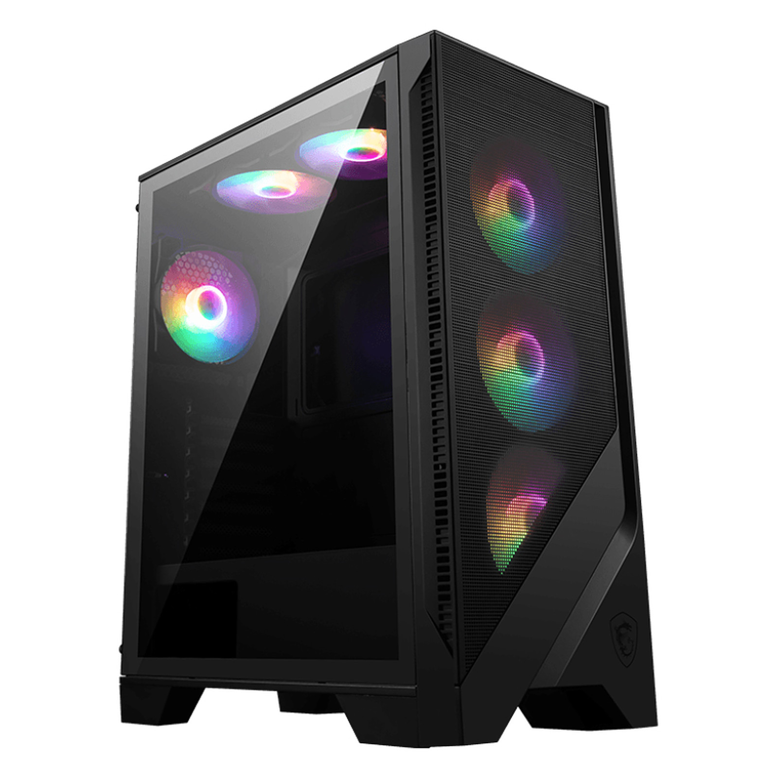 | MSI MAG FORGE 120A AIRFLOW | MSI | Noir | RGB | Classique | 240mm | ATX | 70 € | 5 | https://amzn.to/4cBNsbu
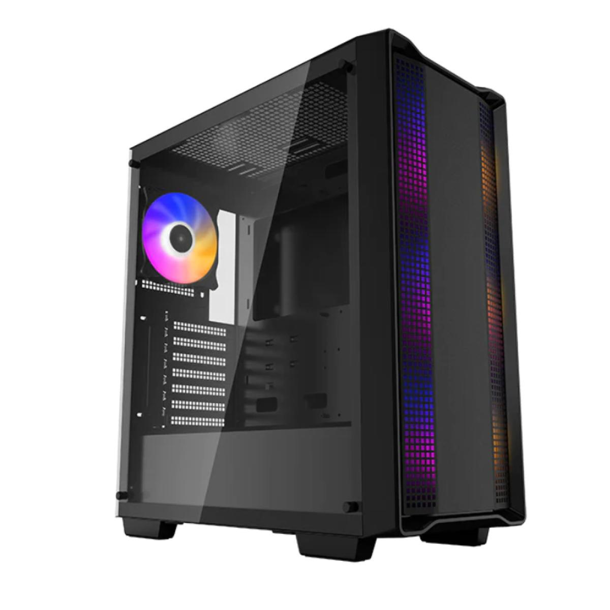 | Deepcool CC560 | Deepcool | Noir /Blanc | RGB | Classique | 240mm | ATX | 70 € | 4 | https://amzn.to/4aevomu
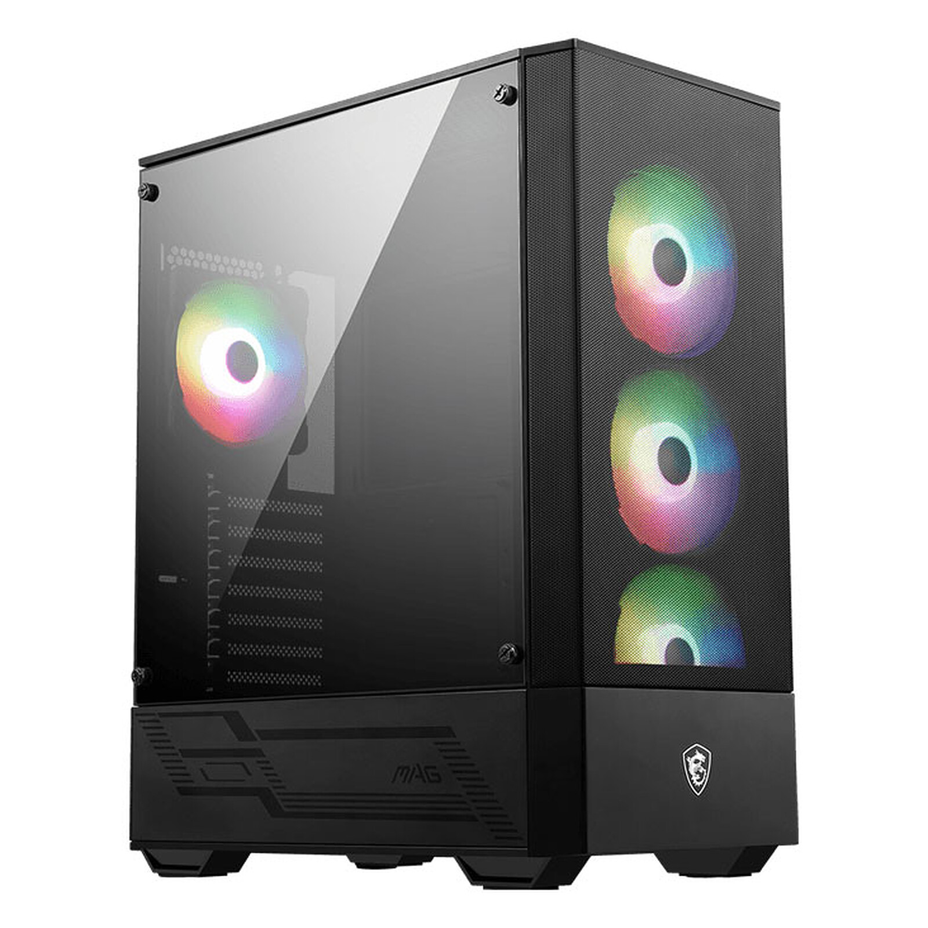 | MSI MAG FORGE 112R | MSI | Noir | RGB | Classique | 240mm | ATX | 80 € | 4 | https://amzn.to/4a7EQb2
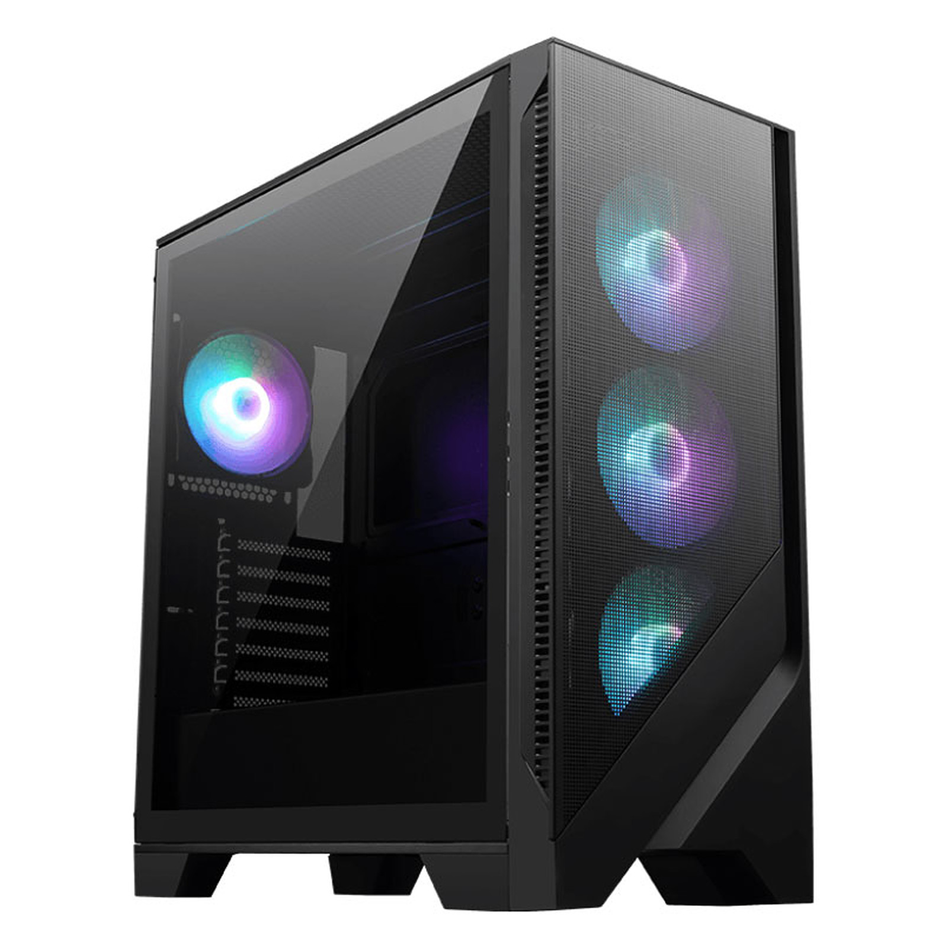 | MSI MAG FORGE 320R AIRFLOW | MSI | Noir | RGB | Classique | 360mm | ATX | 80 € | 4 | https://www.topachat.com/pages/detail2_cat_est_micro_puis_rubrique_est_w_boi_sa_puis_ref_est_in20019920.html
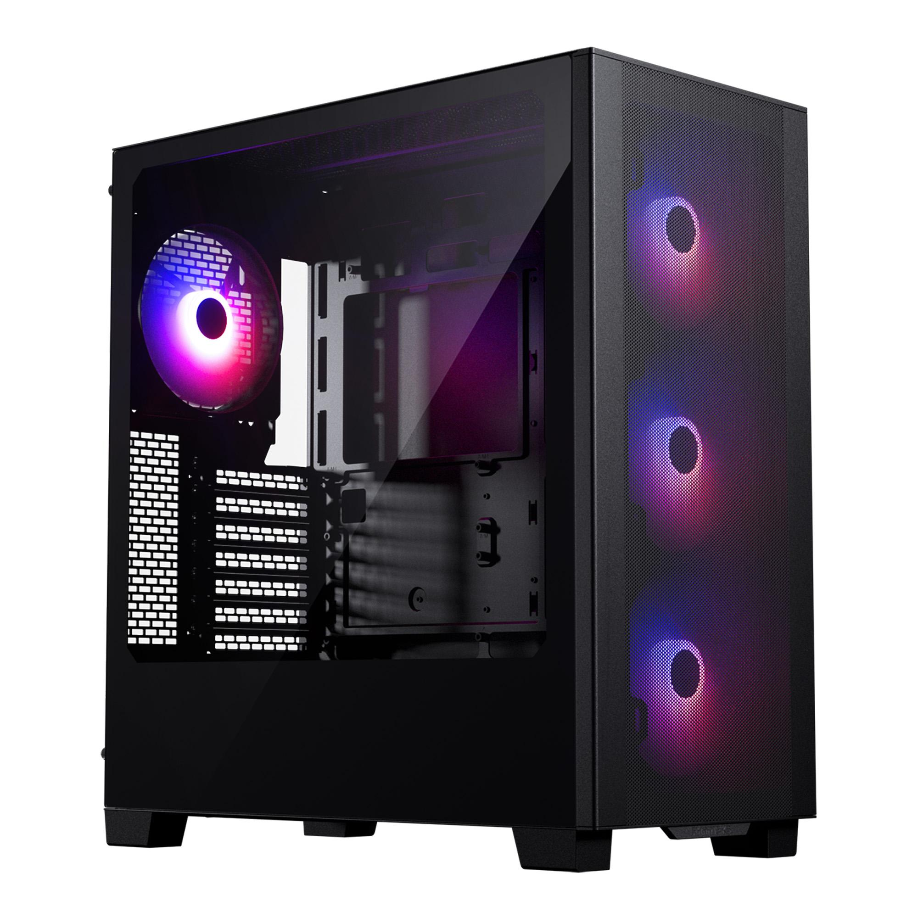 | Phanteks XT Pro Ultra | PHANTEKS | Noir /Blanc | RGB | Classique | 360mm | ATX | 80 € | 4 | https://www.ldlc.com/en/product/PB00607378.html
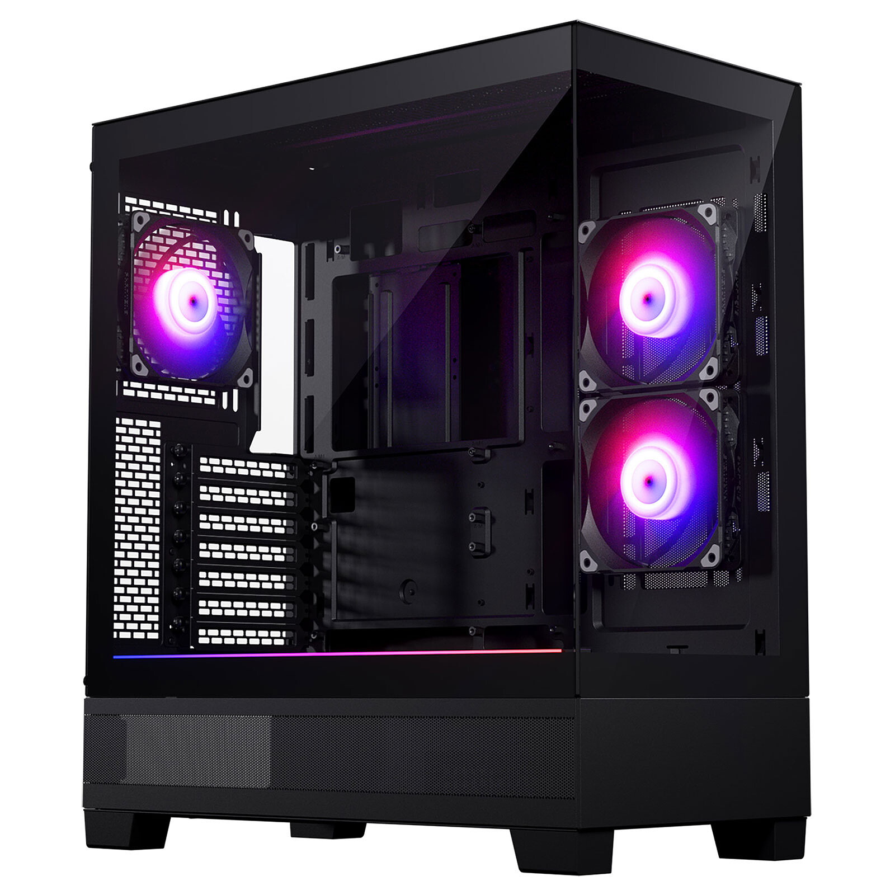 | Phanteks XT View | PHANTEKS | Noir /Blanc | RGB | Aquarium | 360mm | ATX | 80 € | 3 | https://www.alternate.fr/Phanteks/Phanteks-XT-View-white-Bo%C3%AEtier-PC/html/product/100044720
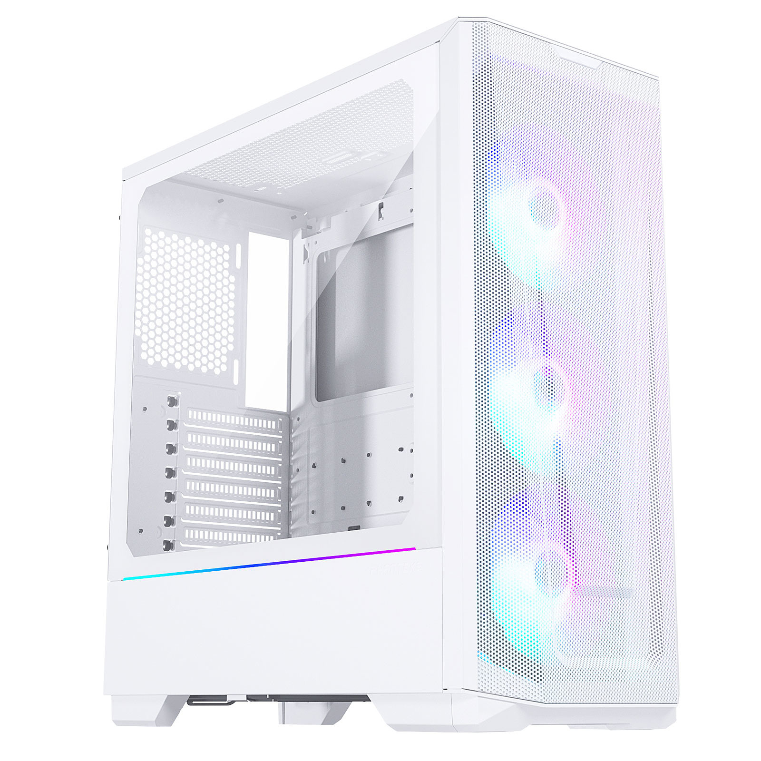 | Phanteks Eclipse G360A | PHANTEKS | Noir /Blanc | RGB | Classique | 360mm | E-ATX | 90 € | 3 | https://www.caseking.de/en/phanteks-eclipse-g360a-midi-tower-tempered-glass-argb-white-geph-152.html?tplview=desktop
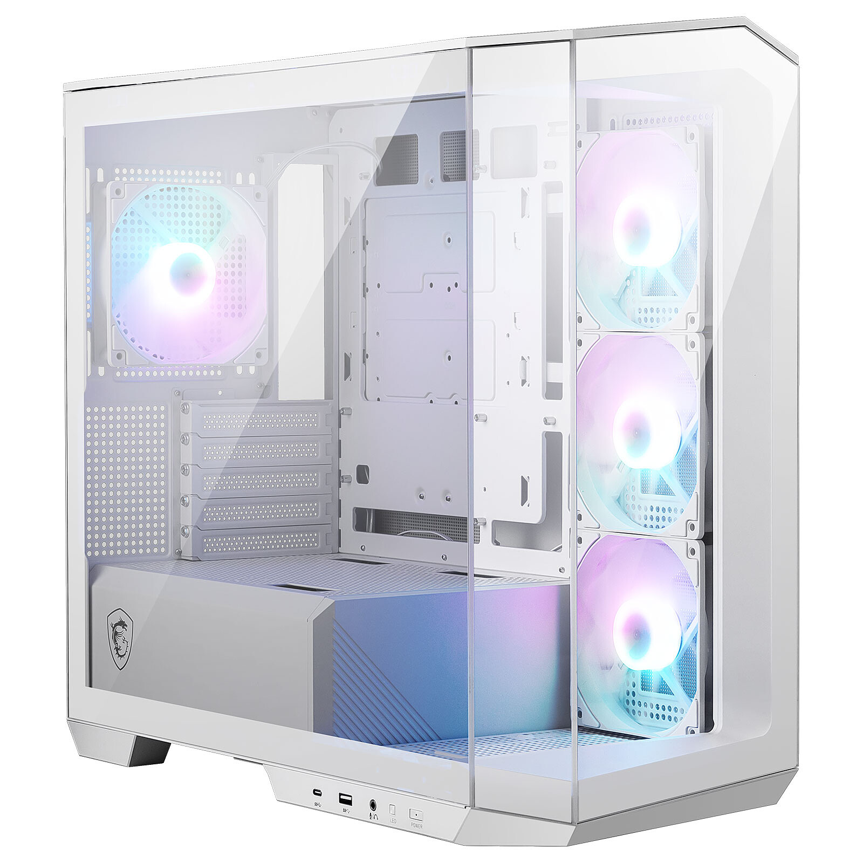 | MSI MAG PANO M100R PZ | MSI | Noir /Blanc | RGB | Aquarium | 360mm | M-ATX | 100 € | 4 | https://amzn.to/4cwnRRn
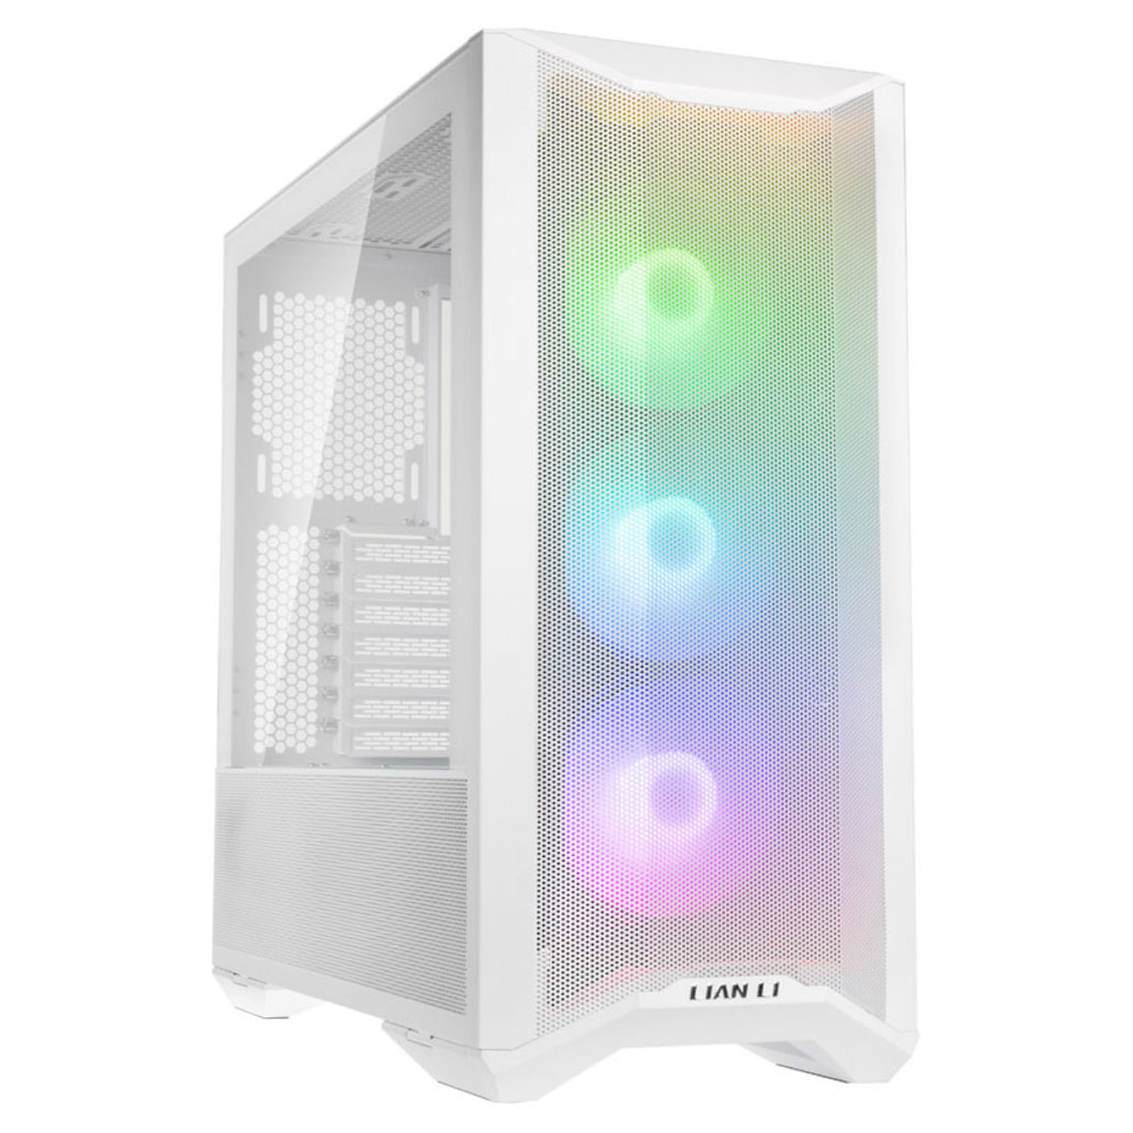 | Lian Li LANCOOL II MESH C RGB | LIANLI | Noir /Blanc | RGB | Classique | 240mm | E-ATX | 100 € | 3 | https://amzn.to/3IWvF1i
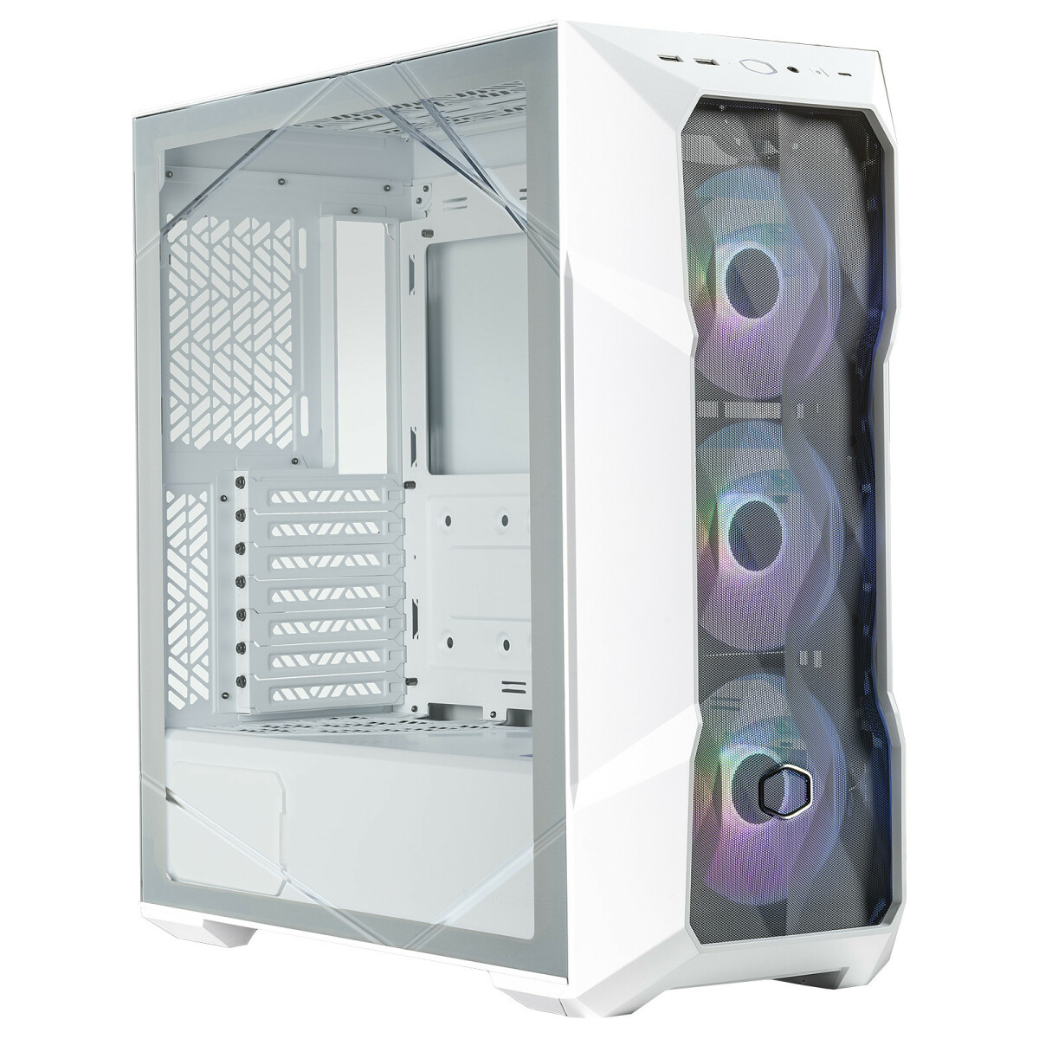 | Cooler Master MasterBox TD500 Mesh V2 | Cooler Master | Noir /Blanc | RGB | Classique | 360mm | E-ATX | 100 € | 3 | https://www.grosbill.com/boitier-pc/cooler-master-td500-mesh-black-td500v2-kgnn-s00-mt-ss-alim-atx-132956.aspx
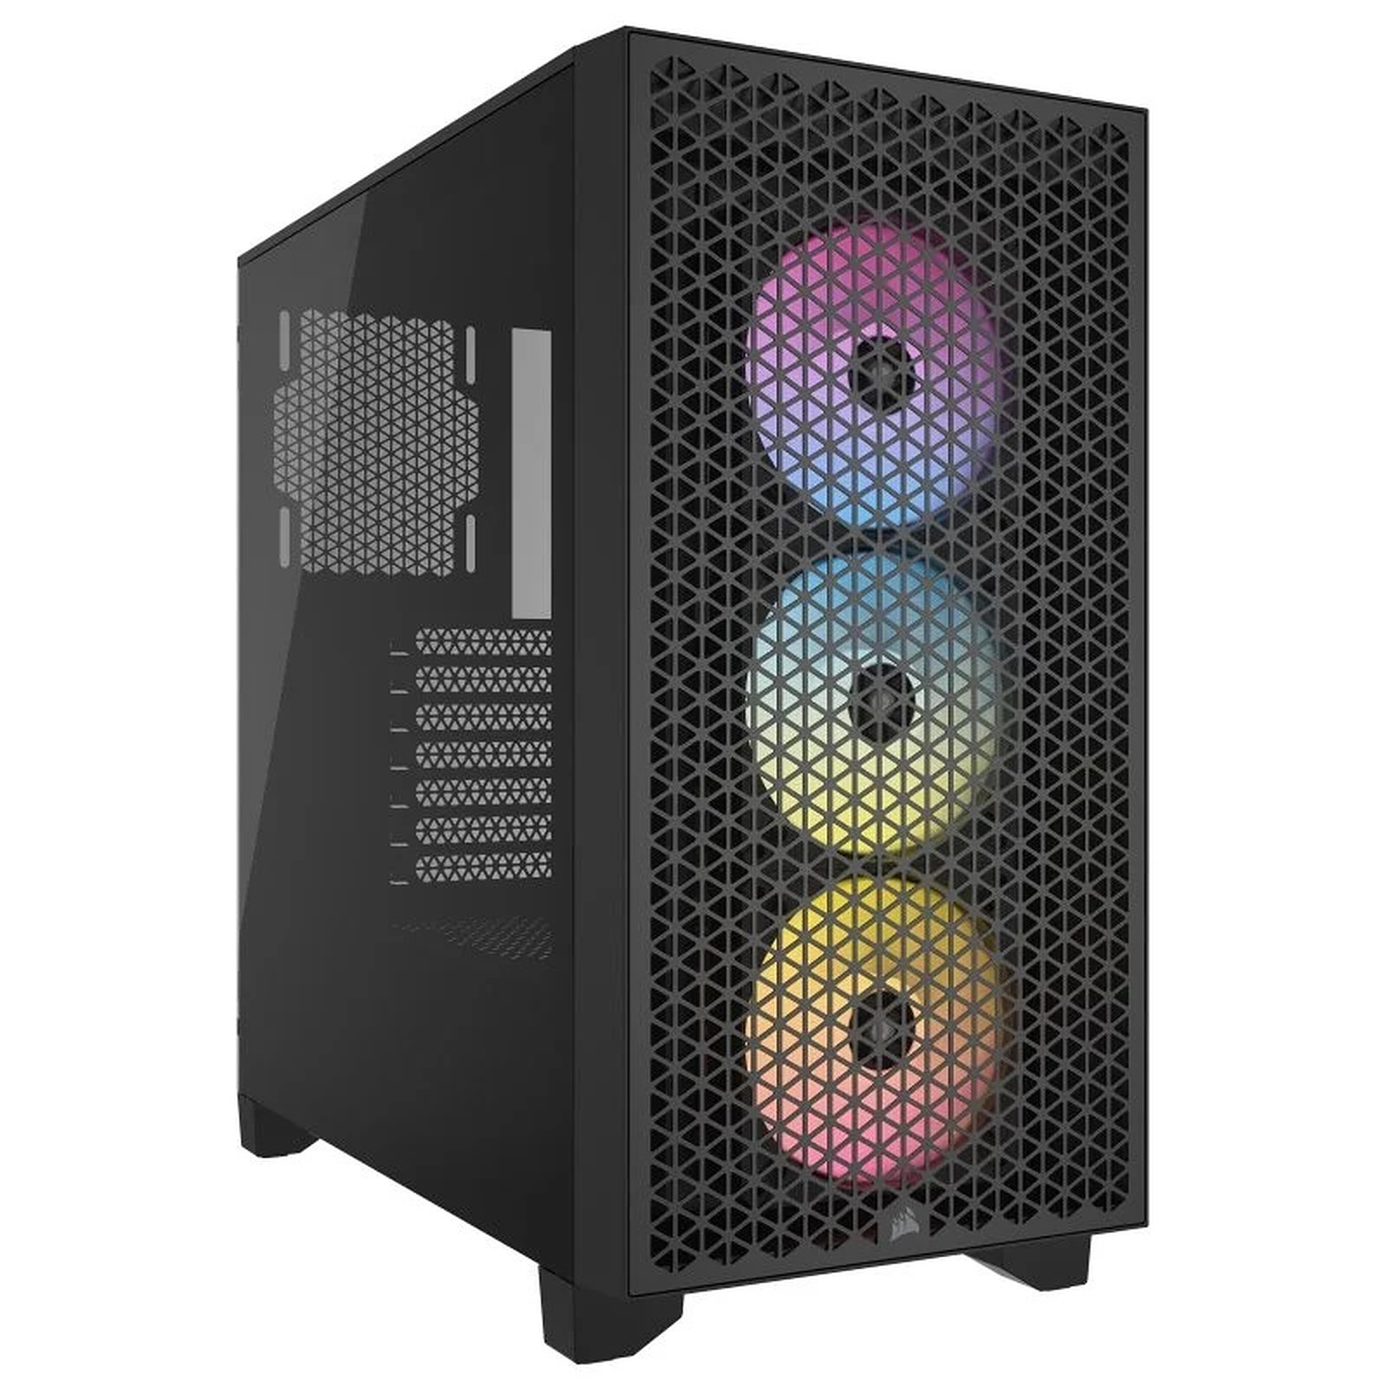 | Corsair 3000D Airflow RGB | Corsair | Noir /Blanc | RGB | Classique | 280mm | ATX | 100 € | 3 | https://amzn.to/3TEb72z
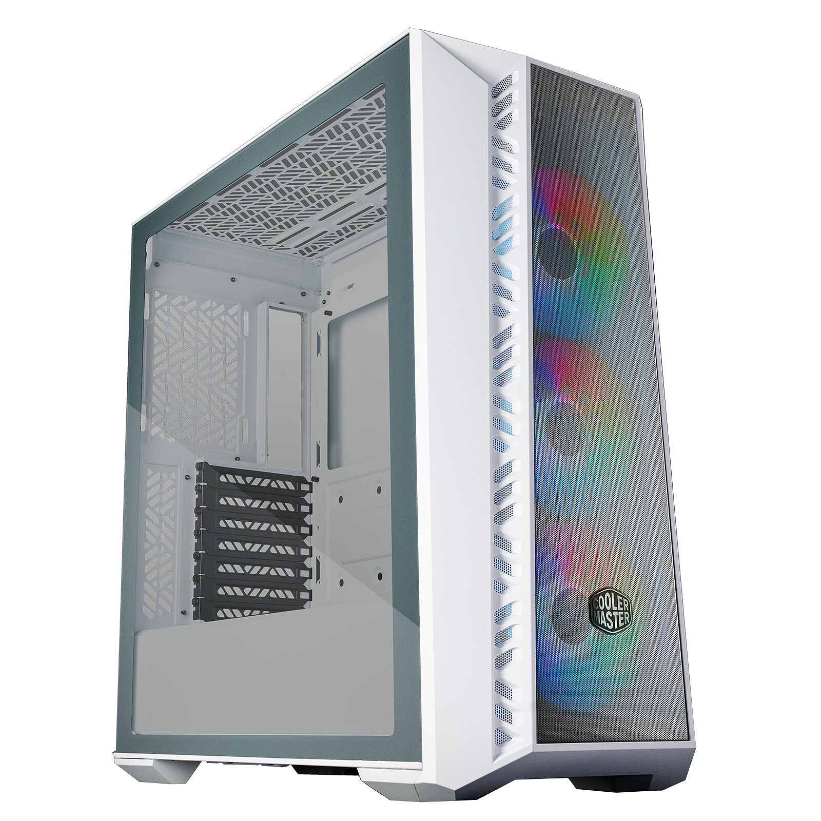 | Cooler Master MasterBox 520 Mesh | Cooler Master | Noir /Blanc | RGB | Classique | 360mm | E-ATX | 100 € | 3 | https://amzn.to/3J0w2HW
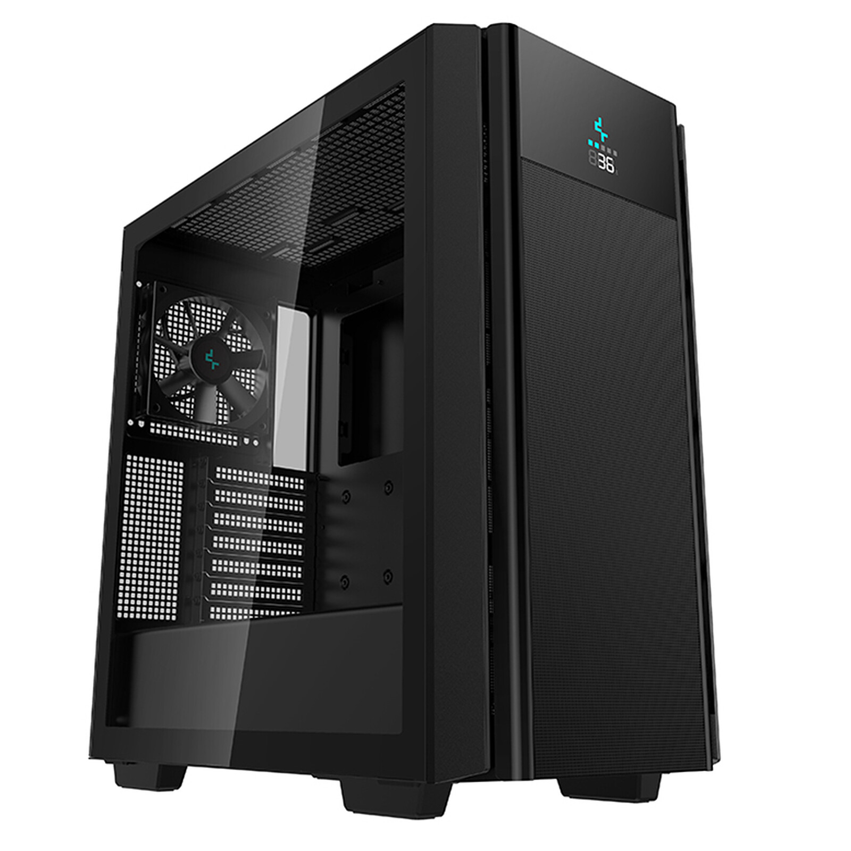 | Deepcool CH510 MESH DIGITAL | Deepcool | Noir | Sobre | Classique | 360mm | E-ATX | 100 € | 1 | https://amzn.to/43BmtJa
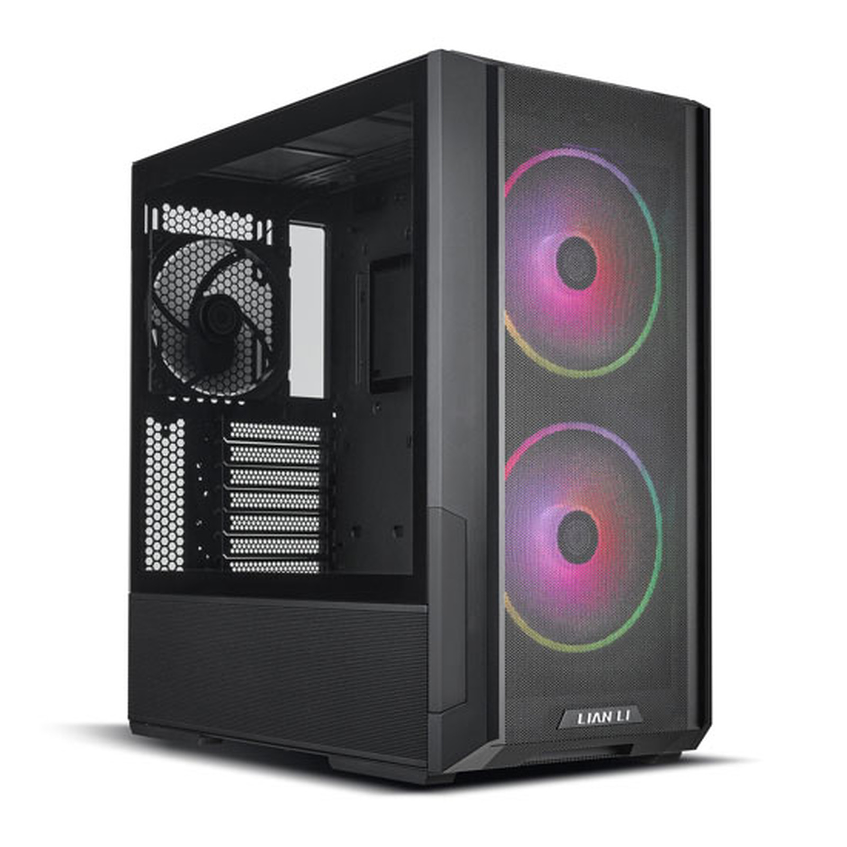 | Lian Li LANCOOL 216 | LIANLI | Noir /Blanc | RGB | Classique | 360mm | E-ATX | 110 € | 3 | https://amzn.to/3TTvQR6
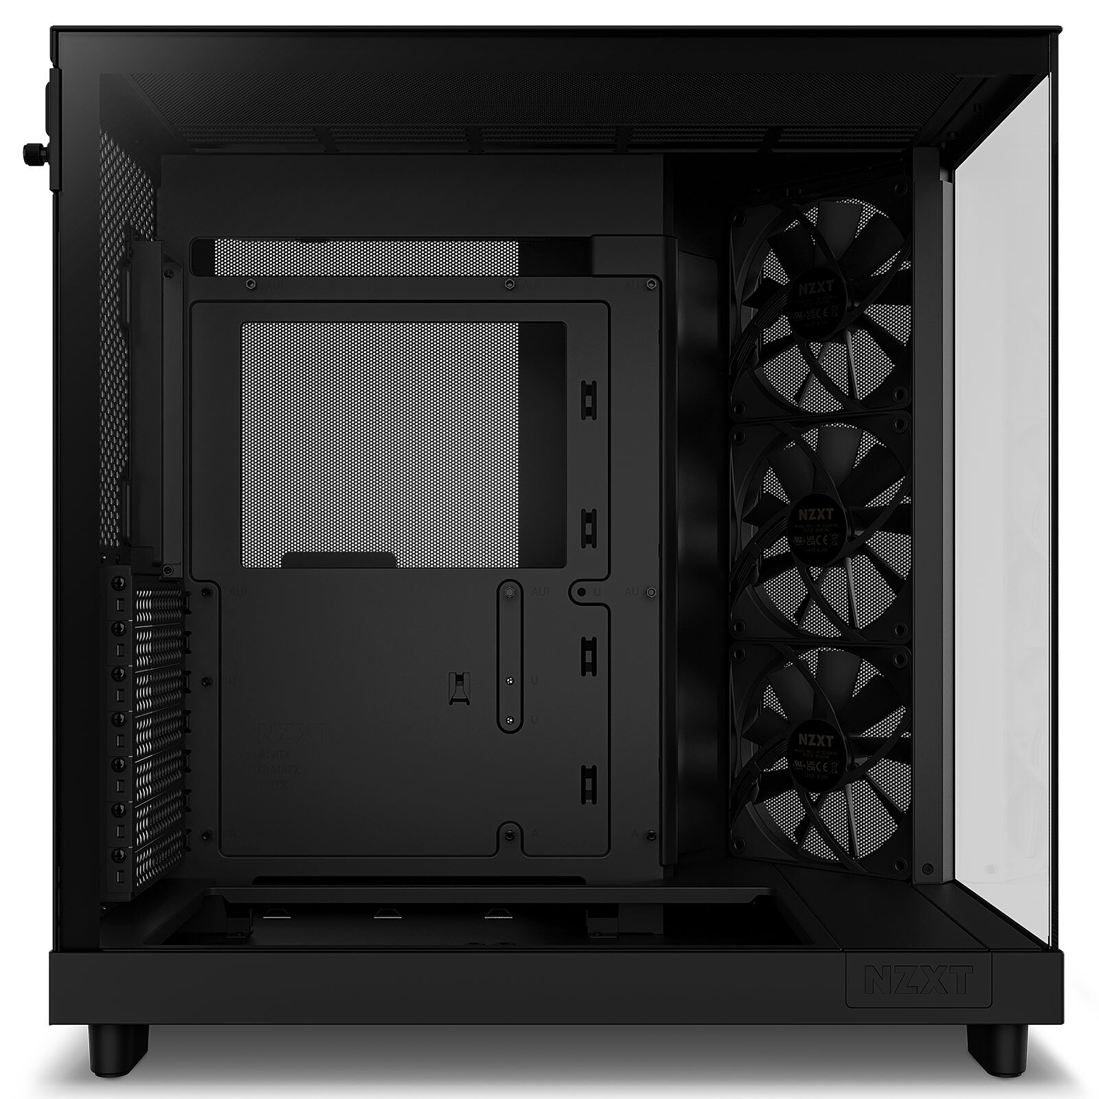 | NZXT H6 Flow | NZXT | Noir /Blanc | Sobre | Aquarium | 360mm | E-ATX | 120 € | 3 | https://amzn.to/4agfUyb
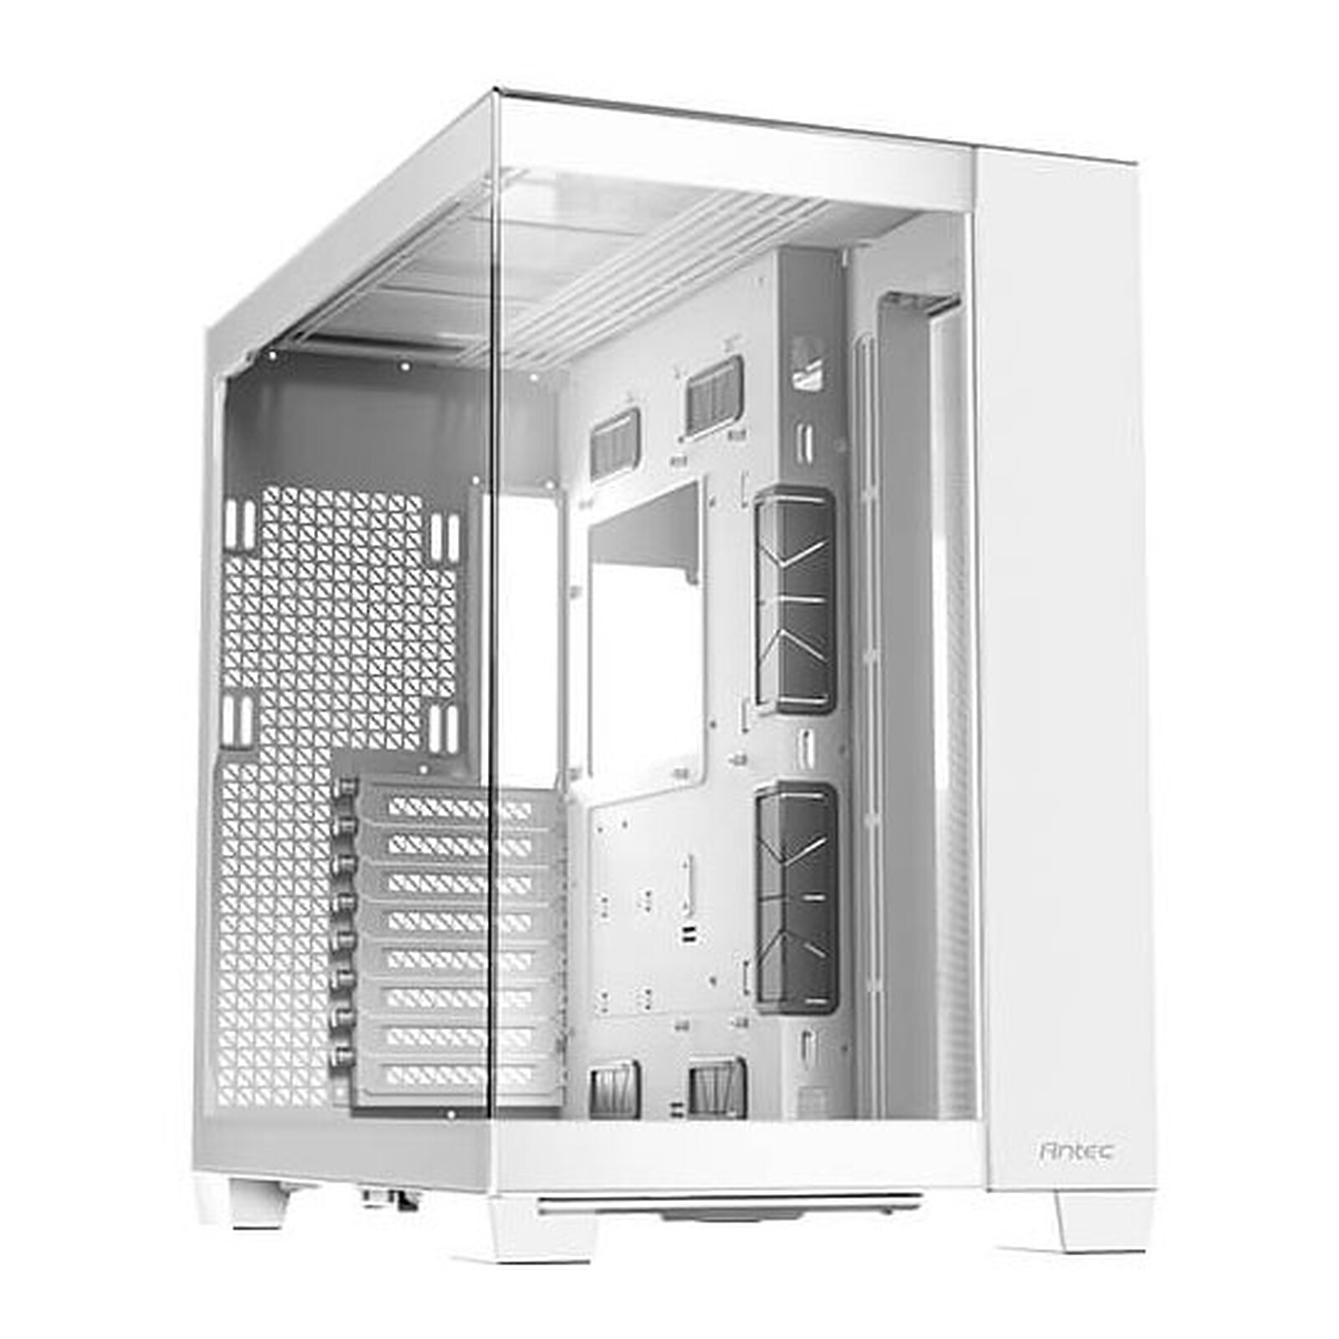 | Antec C8 | Antec | Noir /Blanc | RGB | Aquarium | 360mm | E-ATX | 120 € | 0 | https://www.grosbill.com/boitier-pc/antec-c8-white-mt-sans-alim-atx-138480.aspx
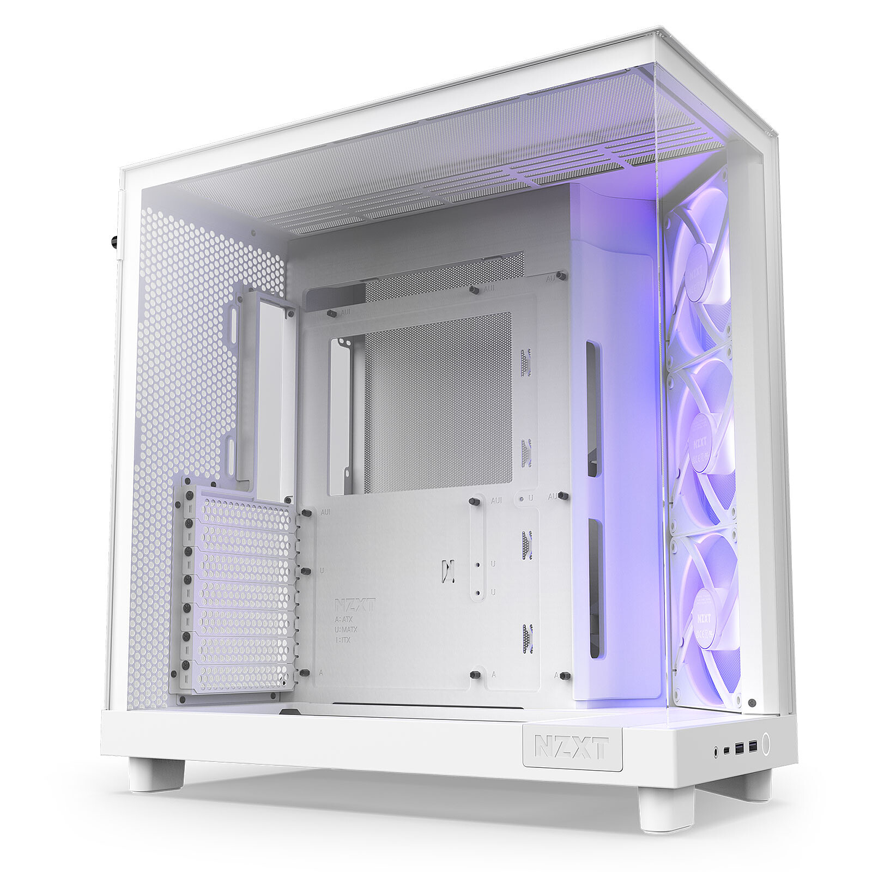 | NZXT H6 Flow RGB | NZXT | Noir /Blanc | RGB | Aquarium | 360mm | E-ATX | 140 € | 3 | https://amzn.to/43zy7Ee
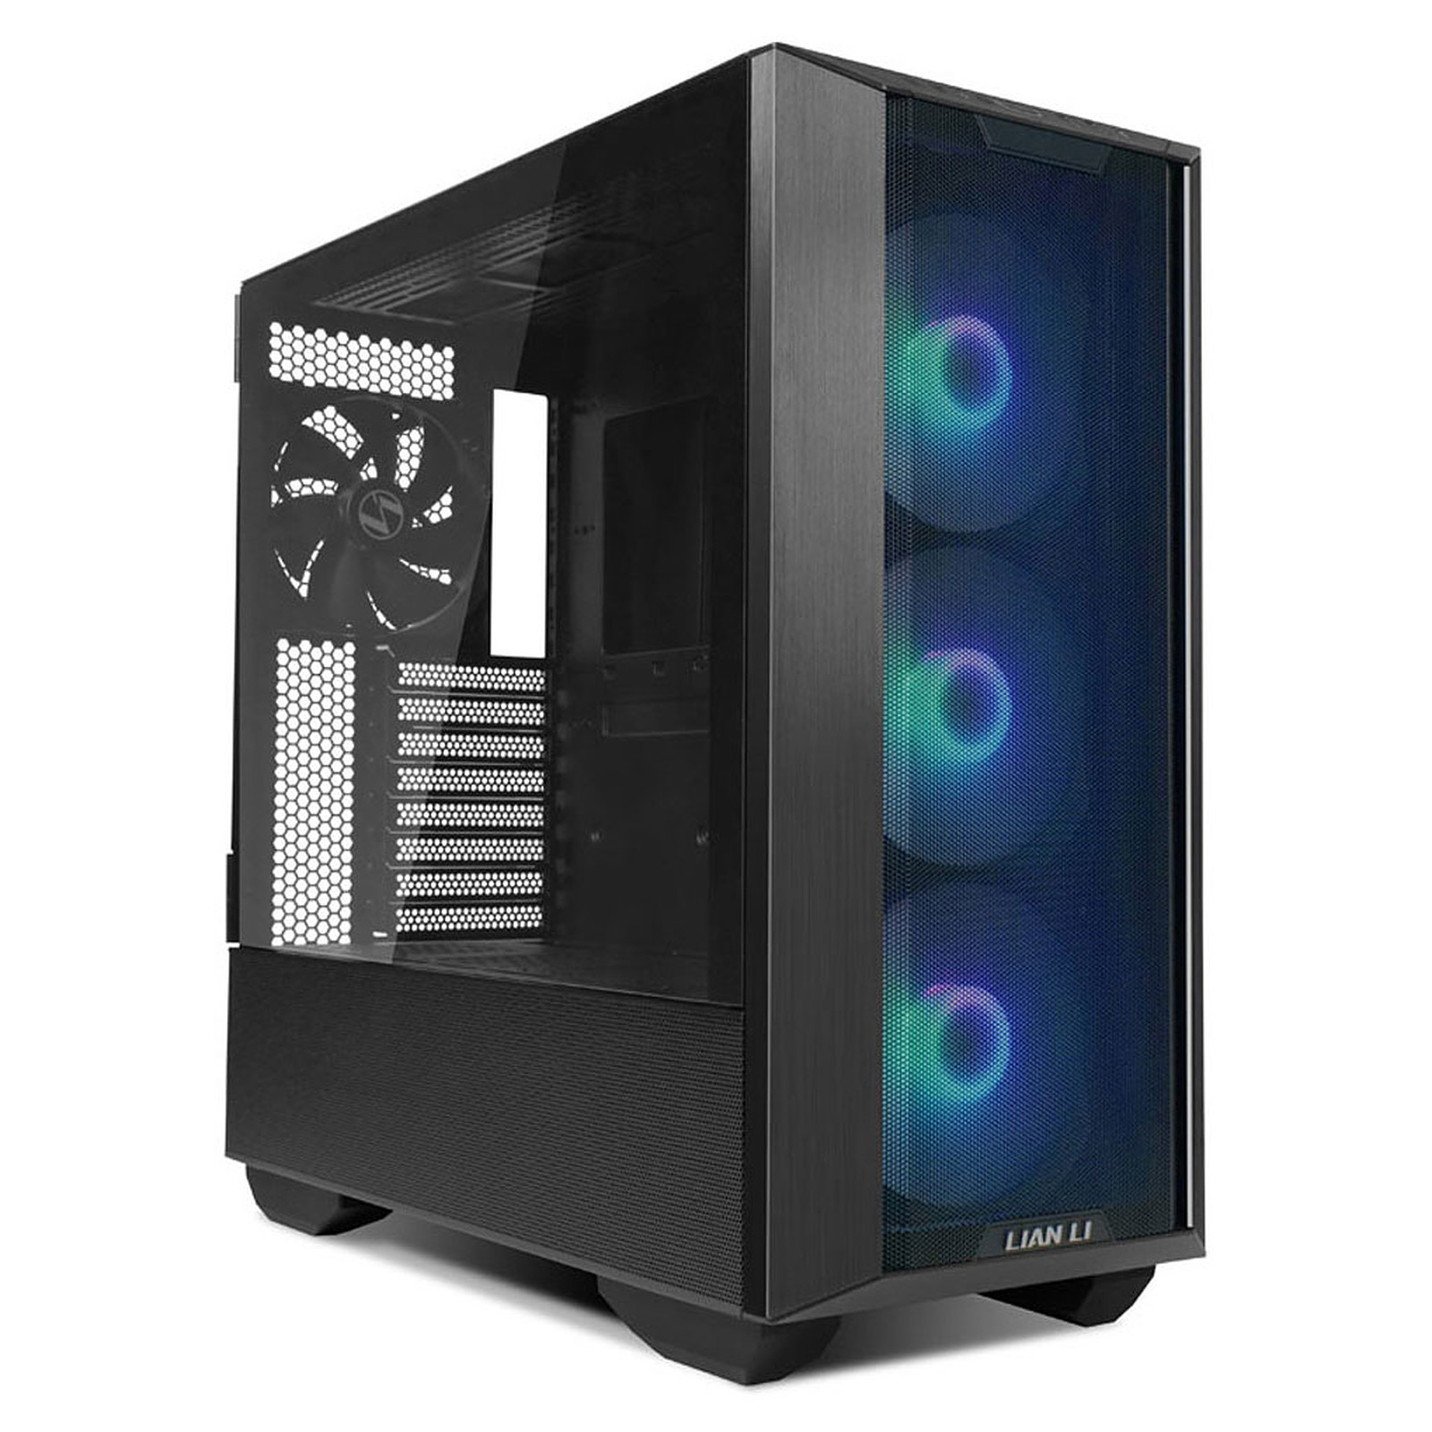 | Lian Li LANCOOL III | LIANLI | Noir /Blanc | RGB | Classique | 360mm | E-ATX | 150 € | 4 | https://tidd.ly/3ITNyha
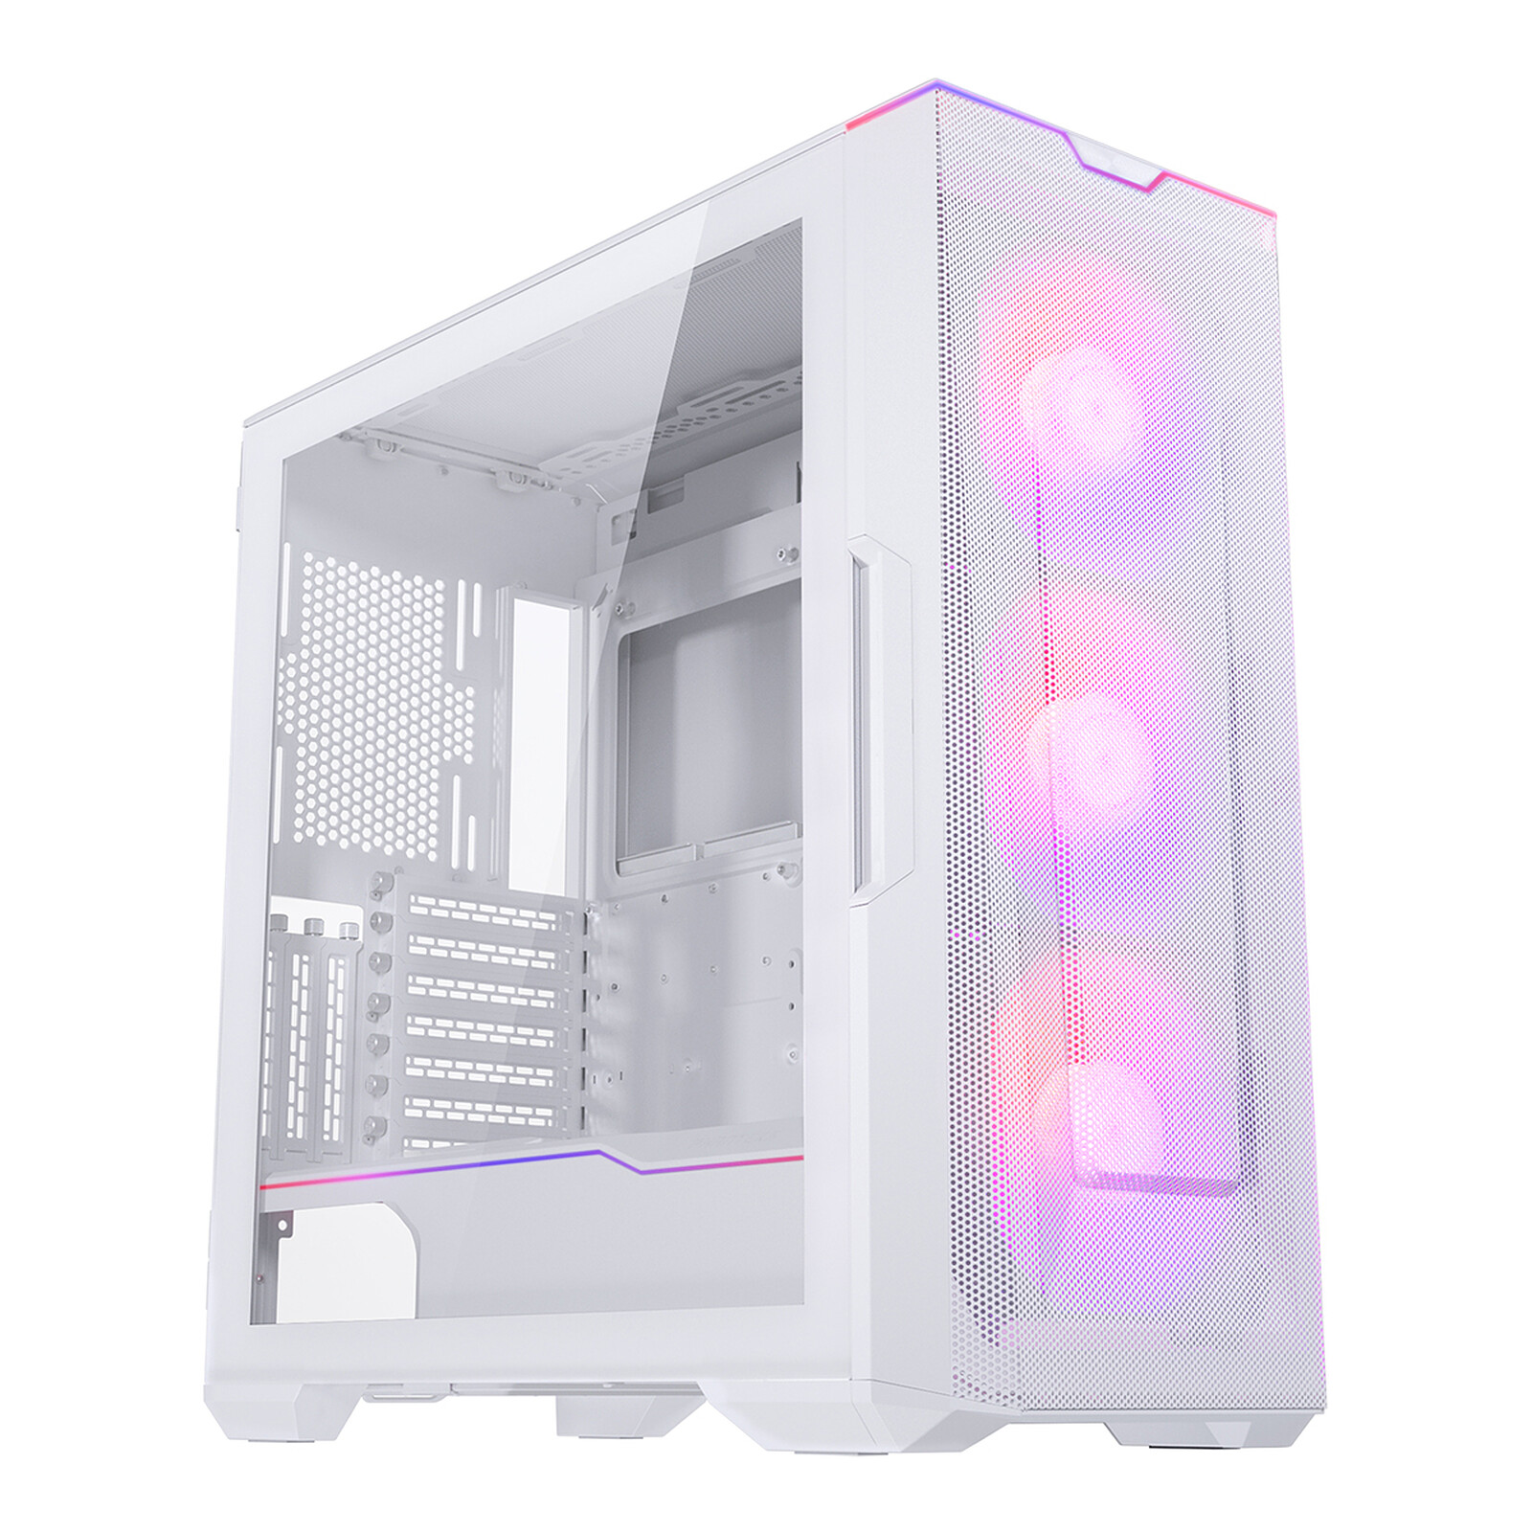 | Phanteks ECLIPSE G500A DRGB | PHANTEKS | Noir /Blanc | RGB | Classique | 360mm | E-ATX | 150 € | 3 | https://amzn.to/3Ty6eIh
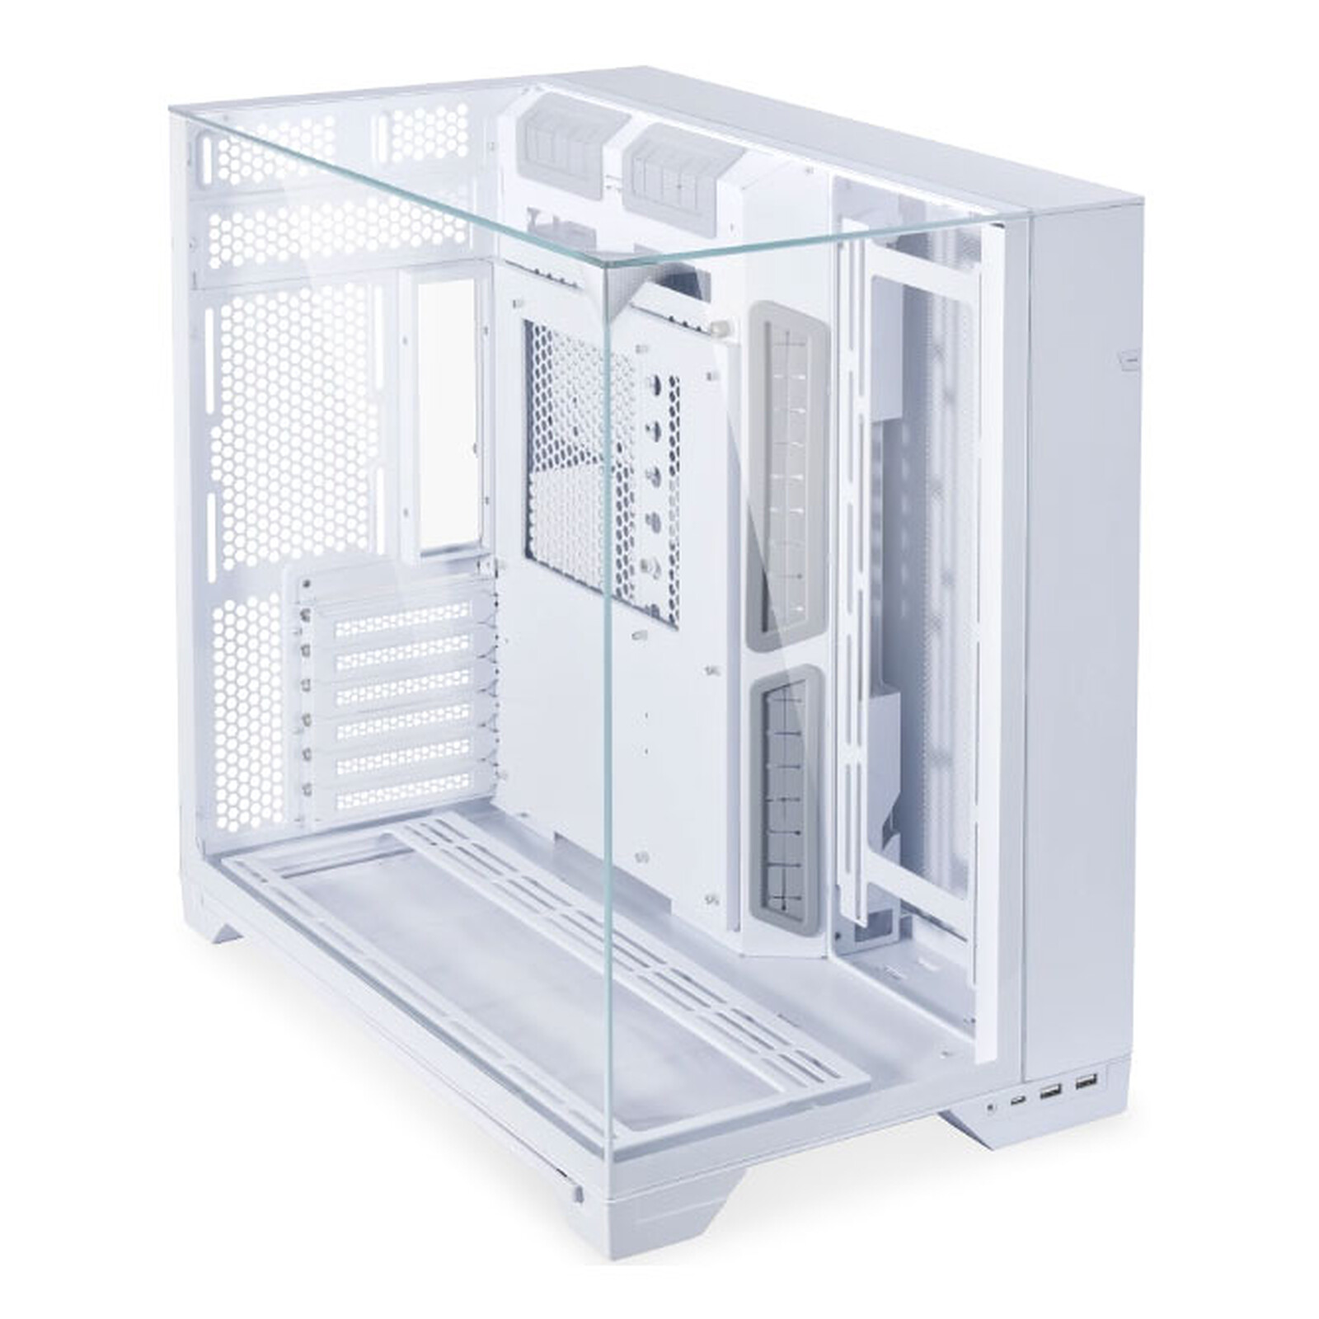 | Lian Li O11 Vision | LIANLI | Noir /Blanc | Sobre | Aquarium | 360mm | E-ATX | 150 € | 0 | https://www.grosbill.com/boitier-pc/lian-li-o11-vision-mid-tower-verre-trempe-blanc-138452.aspx
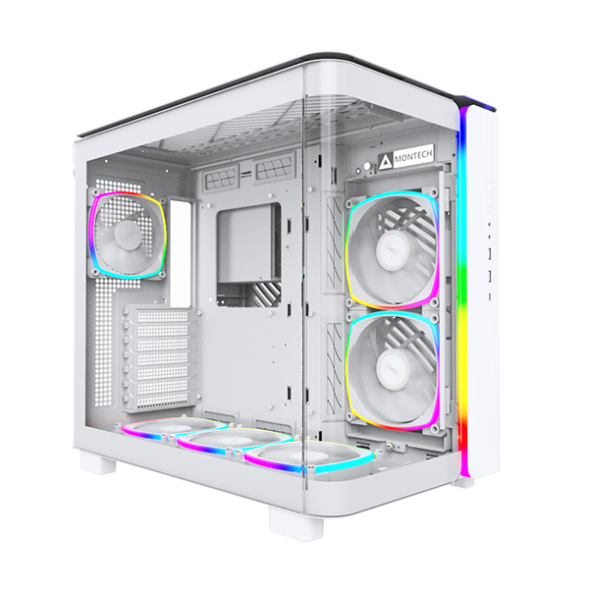 | Montech KING 95 | Montech | Noir /Blanc | RGB | Aquarium | 360mm | ATX | 160 € | 6 | https://www.caseking.de/en/montech-king-95-pro-midi-tower-tempered-glass-argb-weiss-gemt-032.html?tplview=desktop
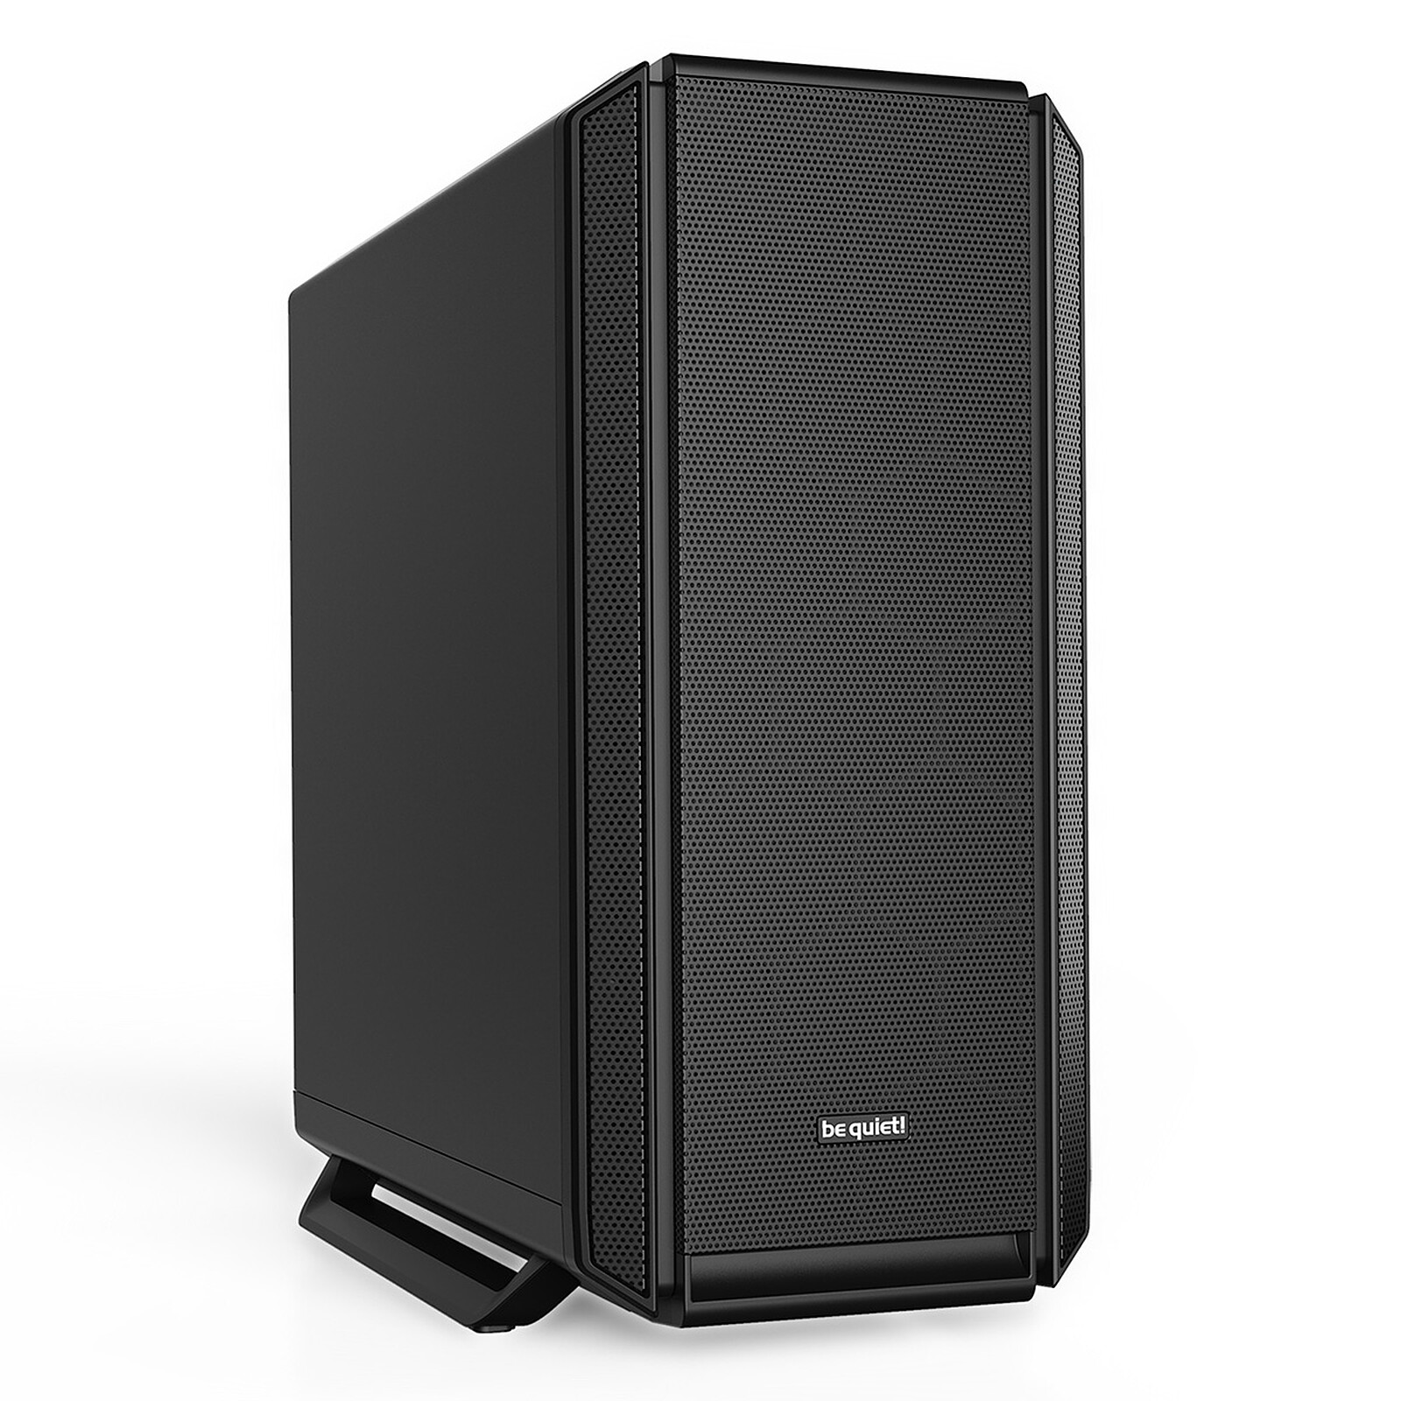 | be quiet! Silent Base 802 | BeQuiet | Noir /Blanc | Sobre | Classique | 360mm | E-ATX | 160 € | 3 | https://amzn.to/3TzR7hw
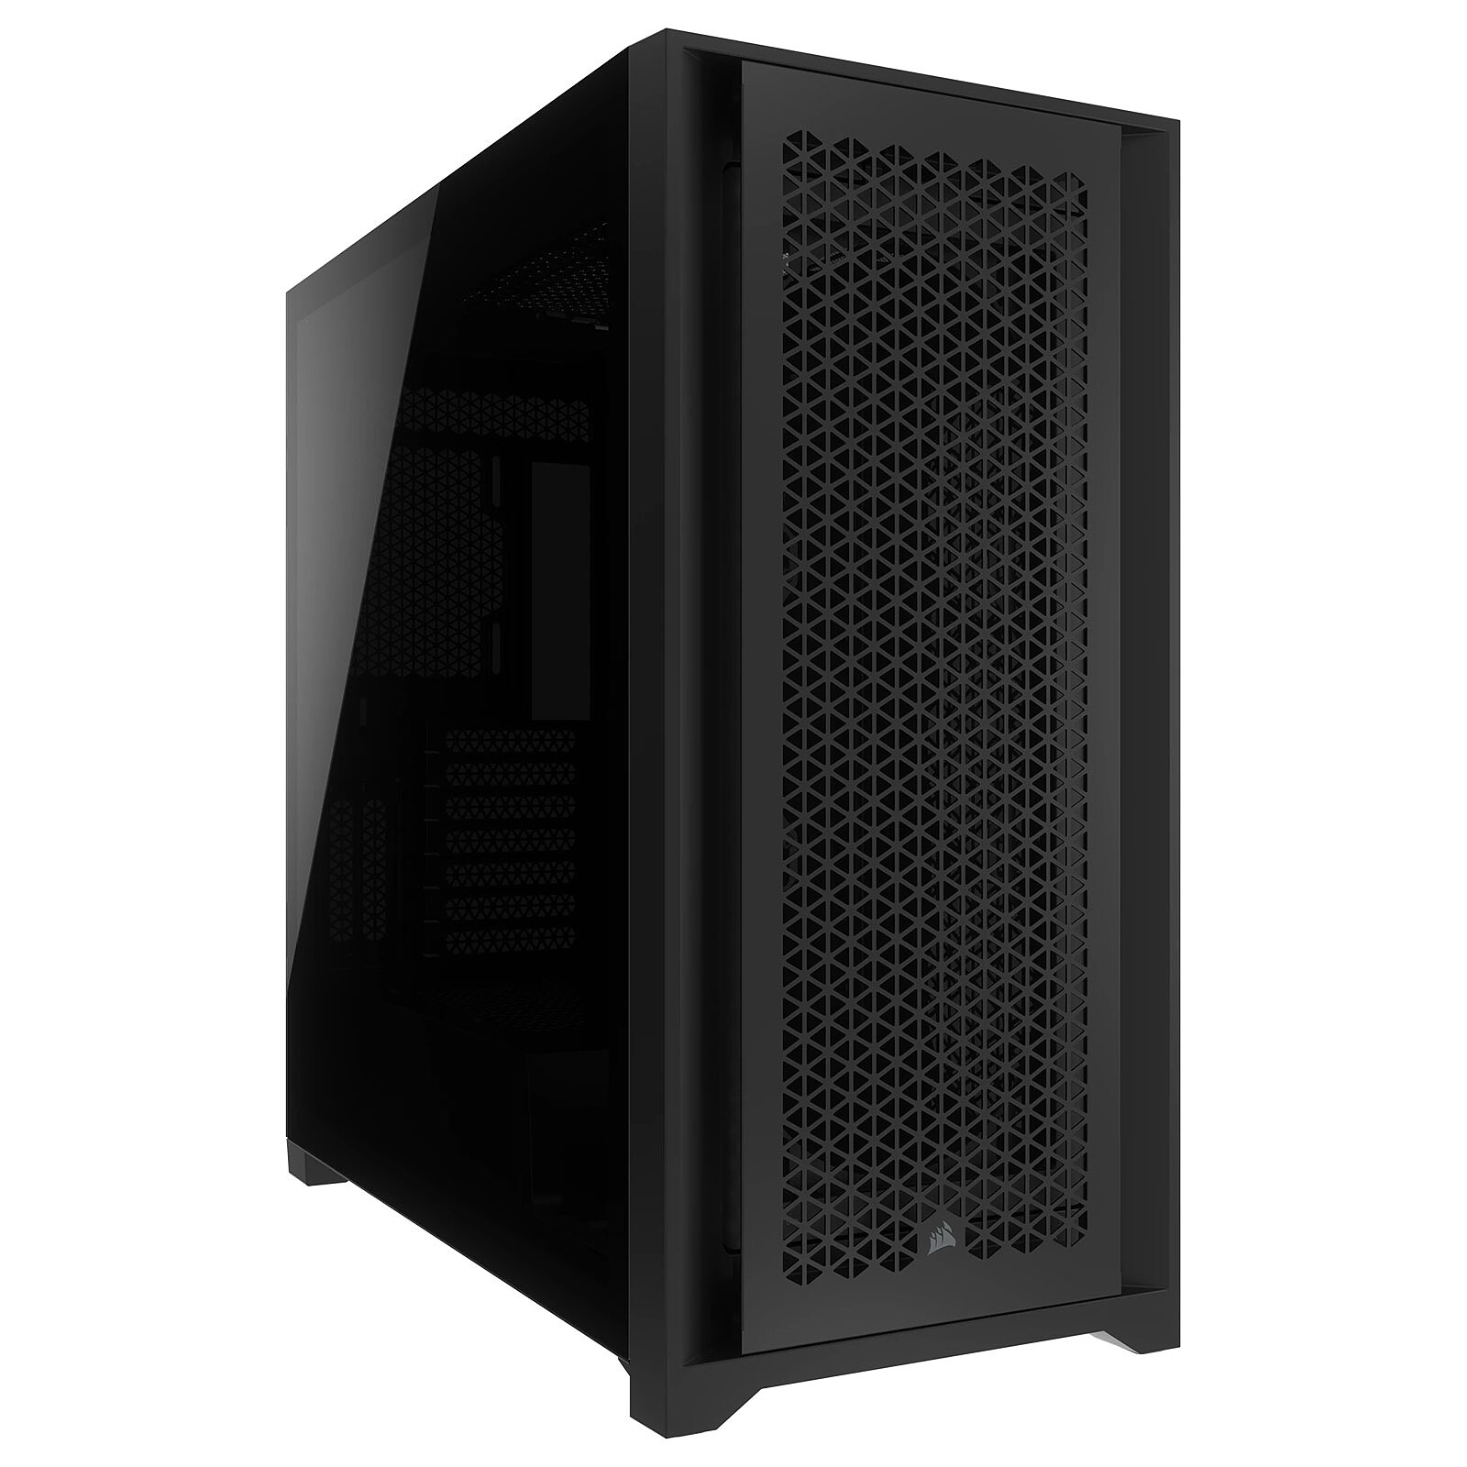 | Corsair 5000D CORE AIRFLOW | Corsair | Noir /Blanc | Sobre | Classique | 360mm | E-ATX | 160 € | 2 | https://amzn.to/4a8NQwH
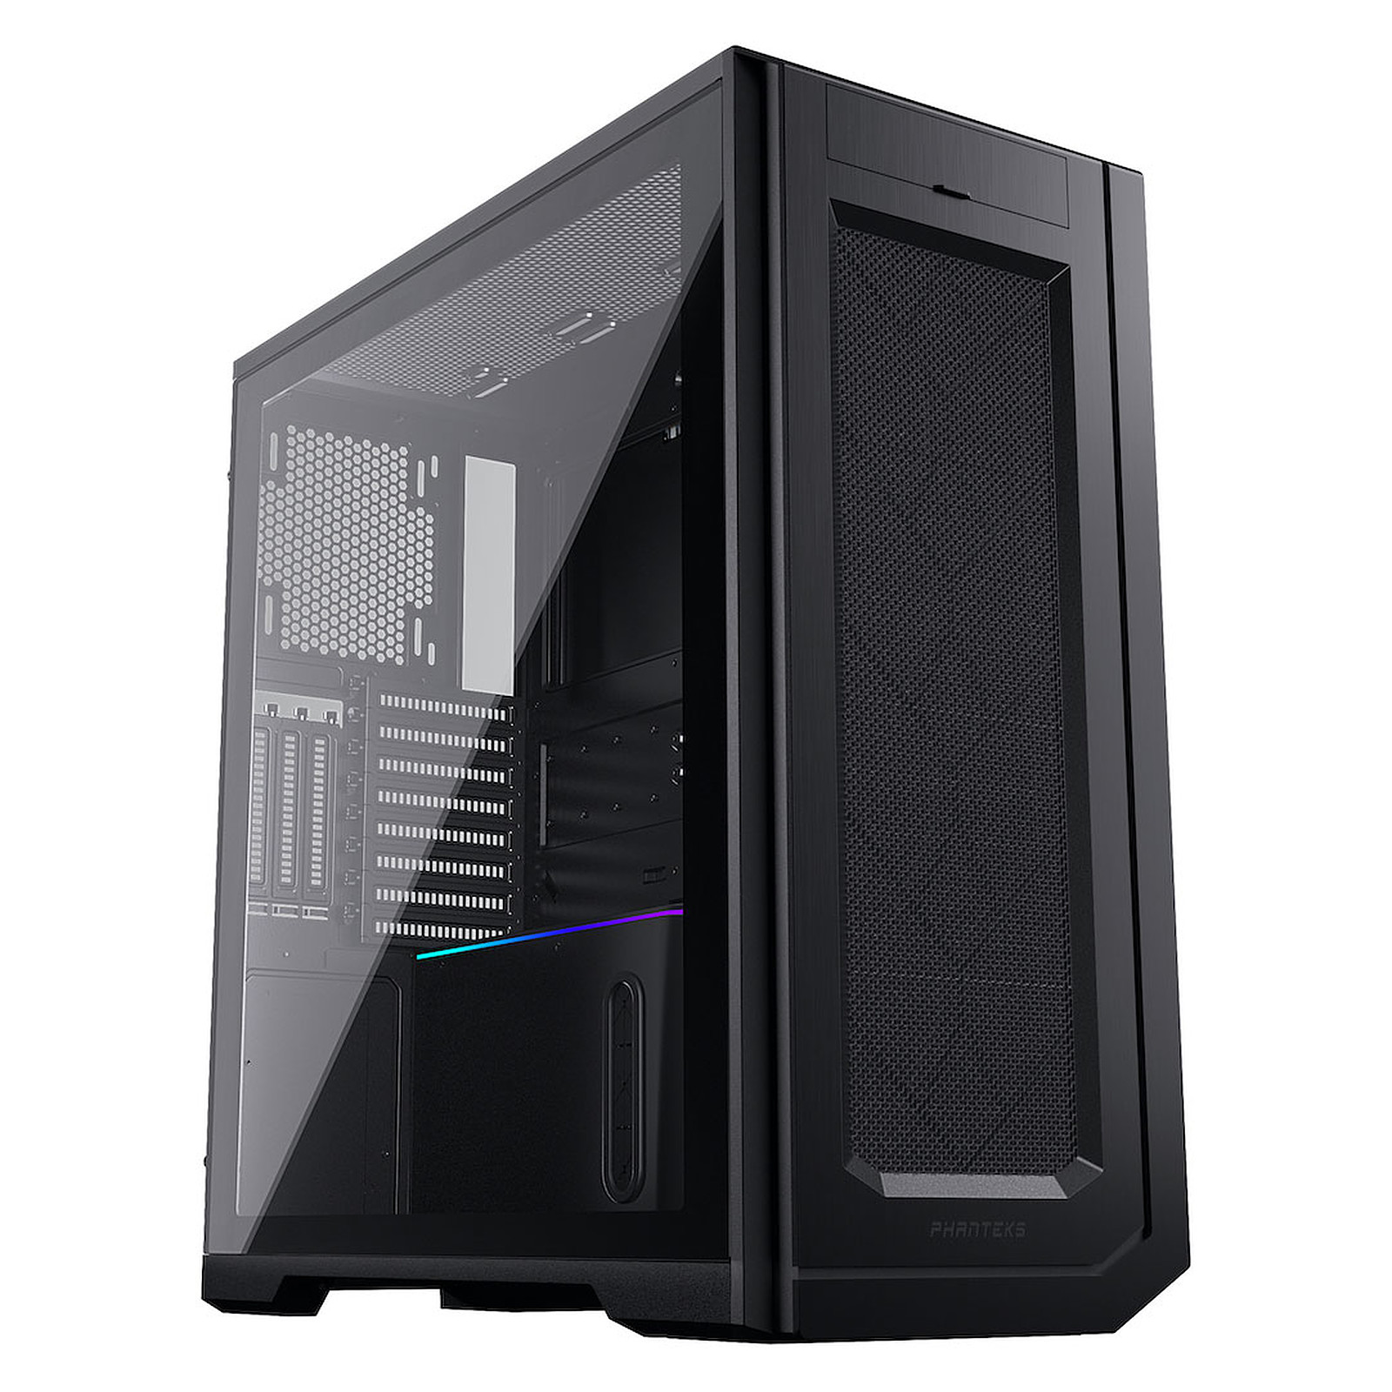 | Phanteks Enthoo Pro 2 | PHANTEKS | Noir | Sobre | Classique | 360mm | E-ATX | 160 € | 0 | https://www.materiel.net/produit/202012300039.html
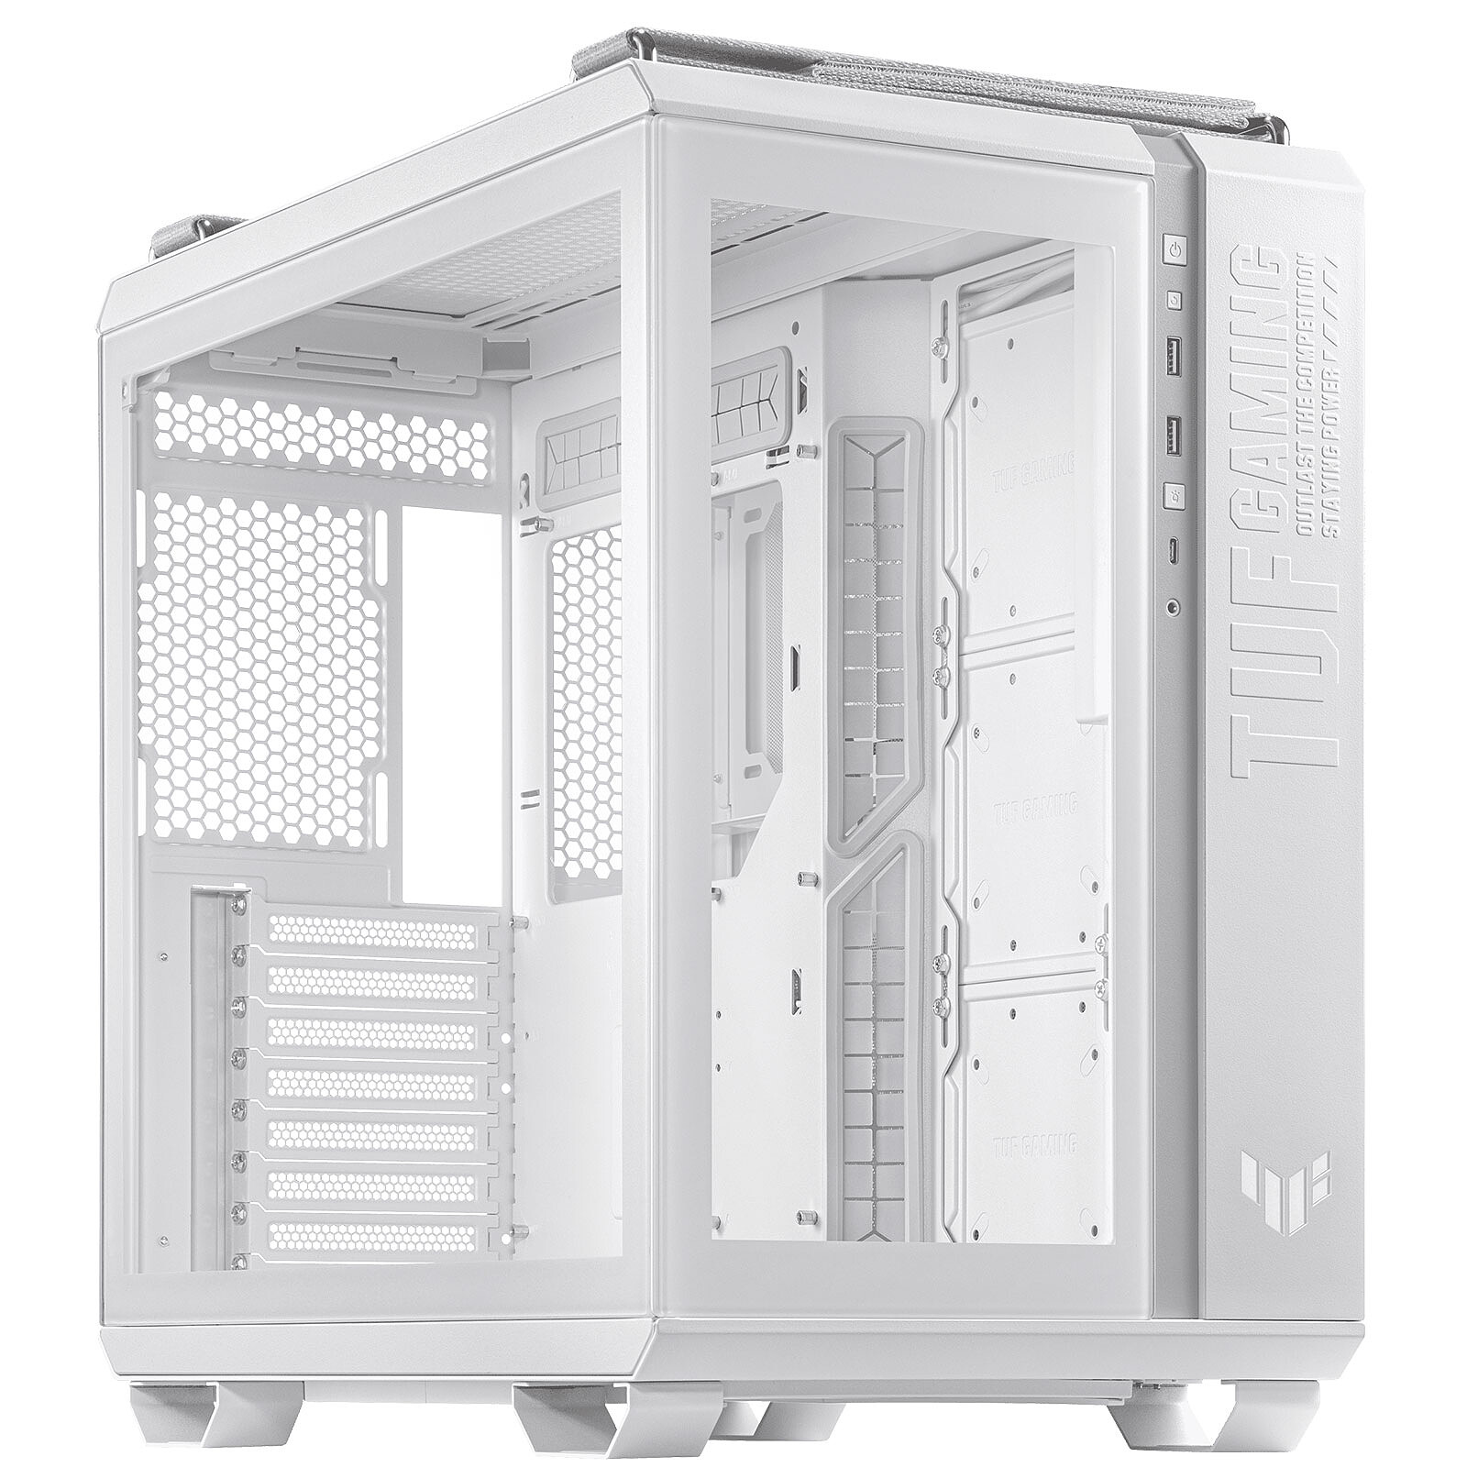 | ASUS TUF Gaming GT502 | ASUS | Noir /Blanc | Sobre | Aquarium | 360mm | ATX | 160 € | 0 | https://amzn.to/43BoHbu
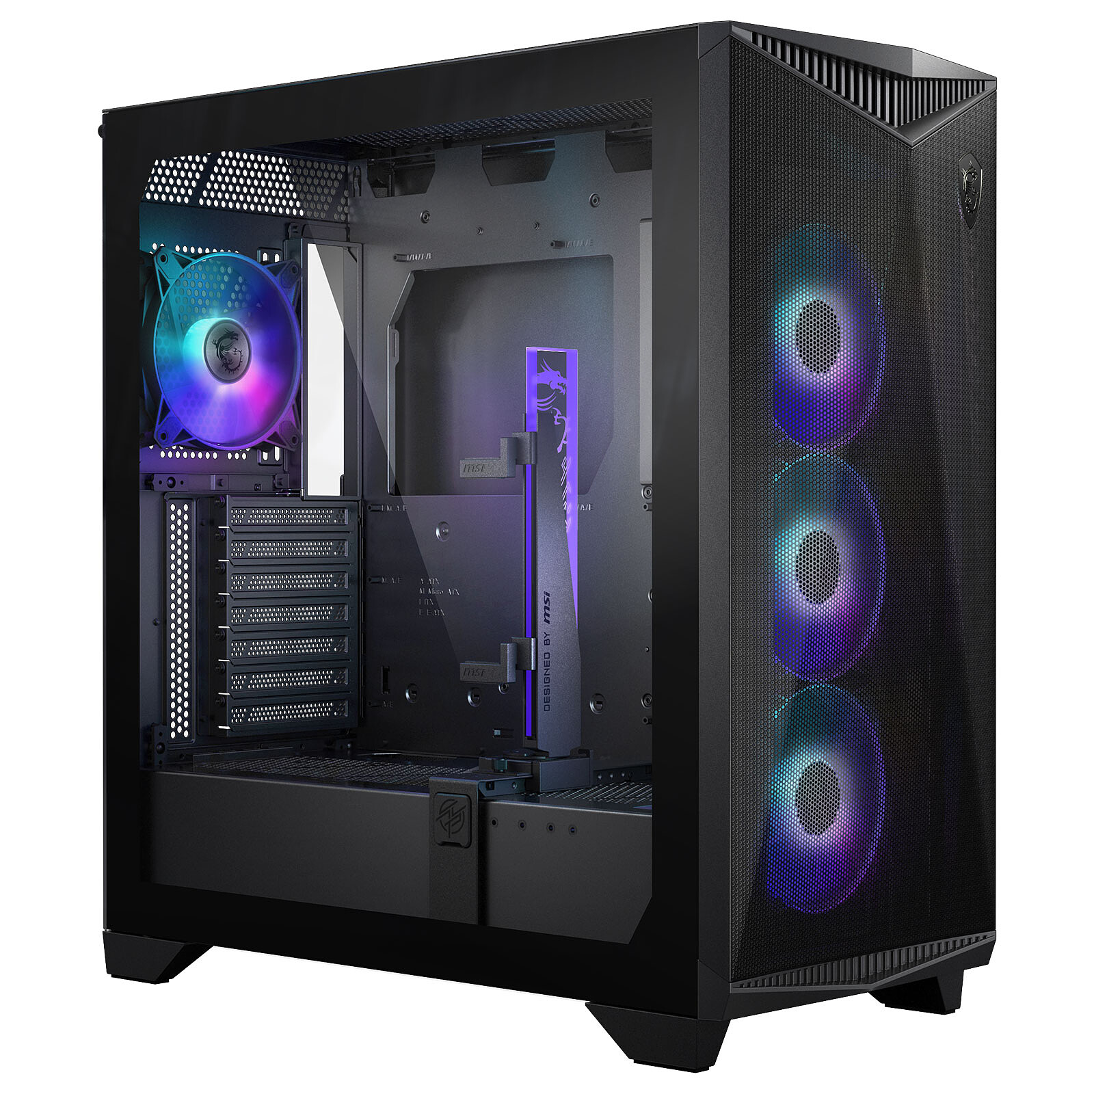 | MSI MPG GUNGNIR 300R AIRFLOW | MSI | Noir /Blanc | RGB | Classique | 360mm | E-ATX | 170 € | 4 | https://amzn.to/4cB4y9o
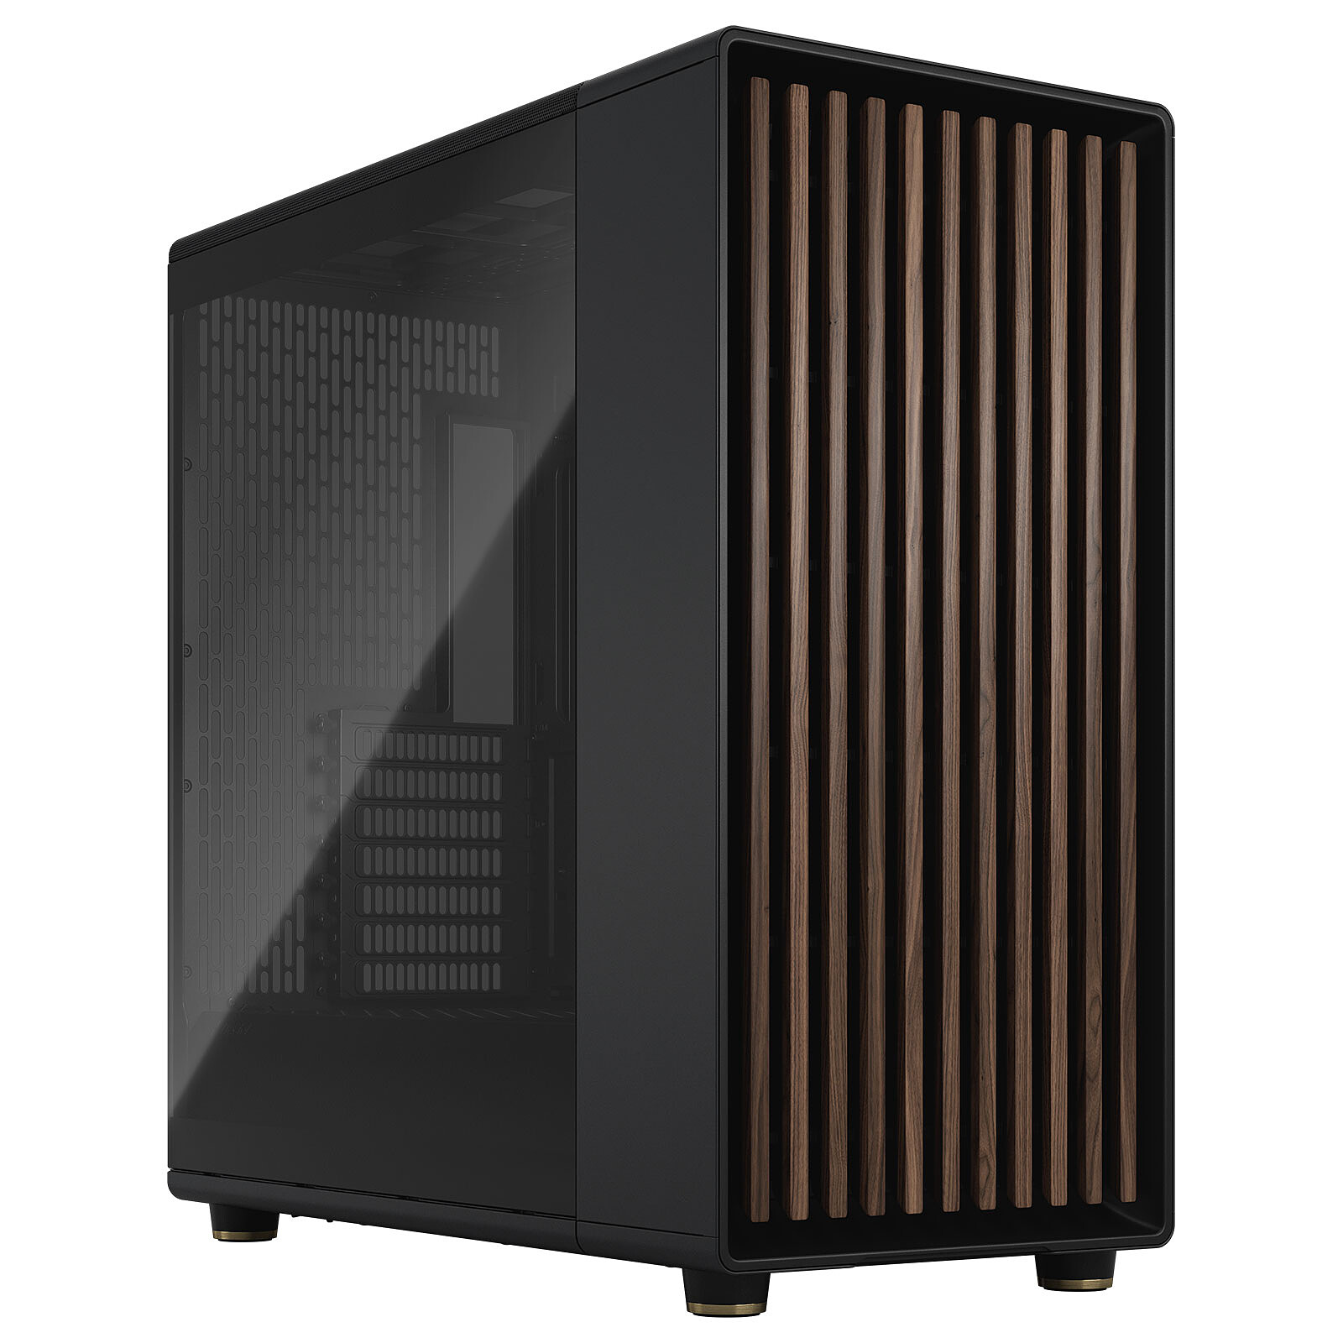 | Fractal Design North | Fractal | Noir /Blanc | Sobre | Classique | 240mm | ATX | 170 € | 2 | https://amzn.to/3PE7mJi
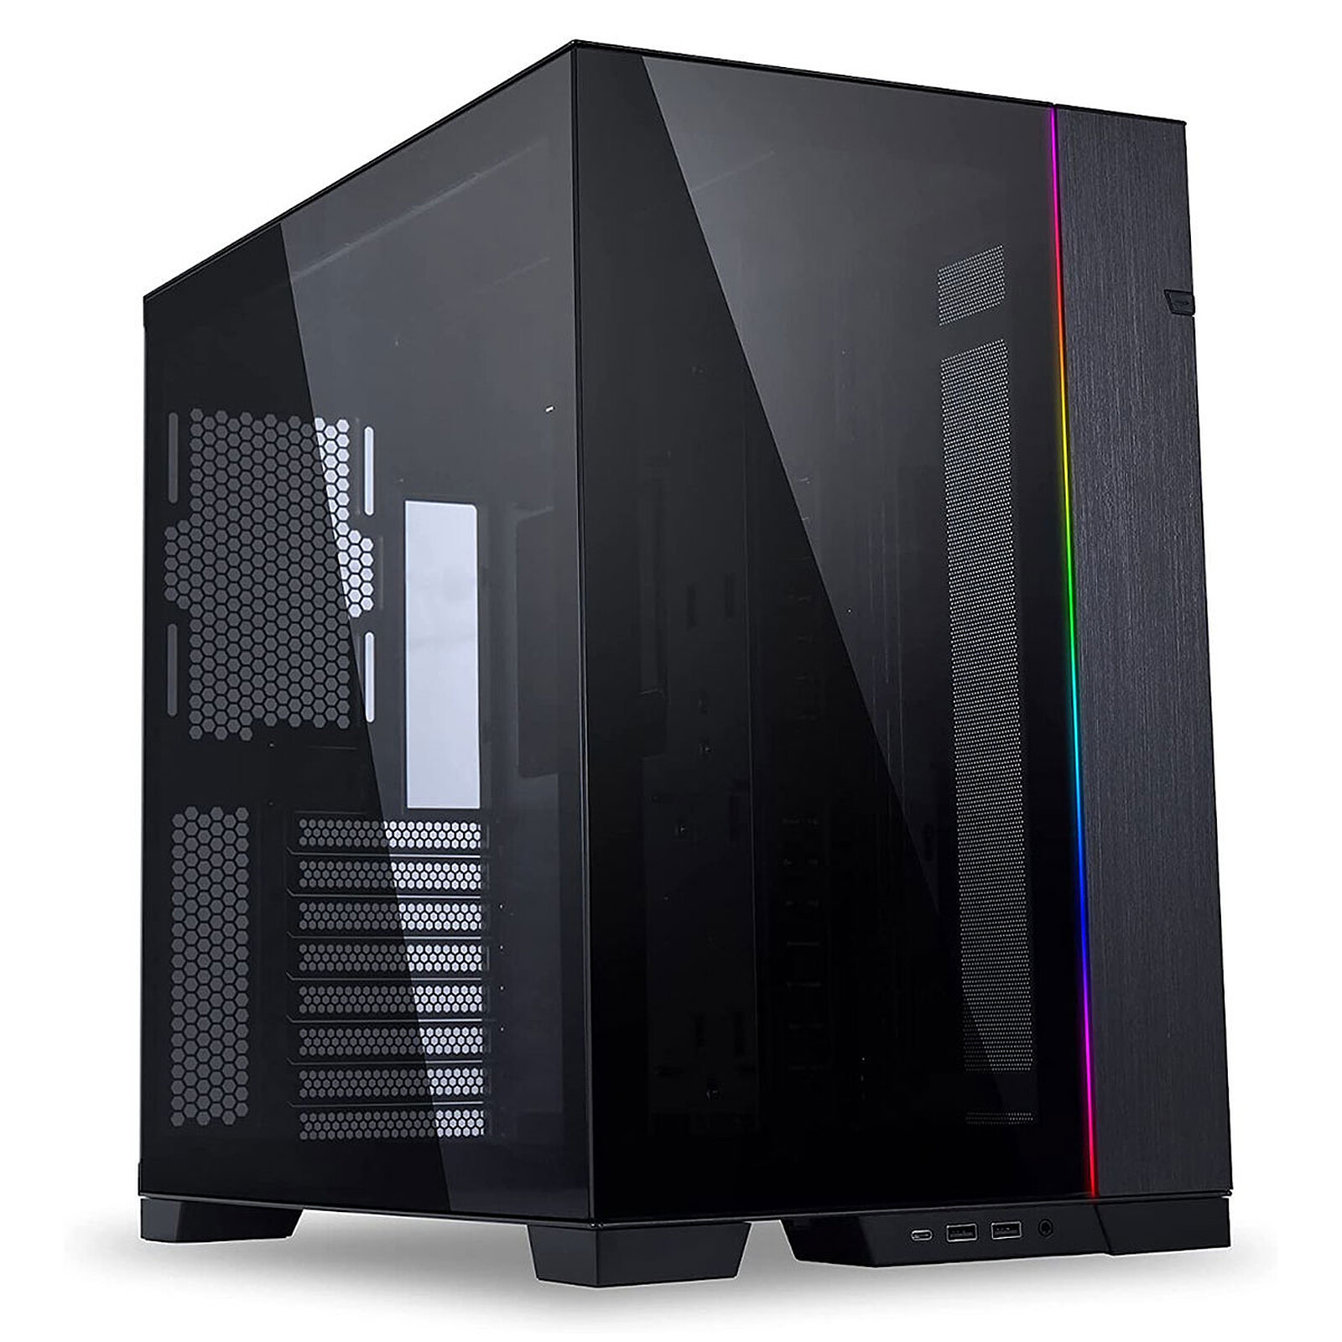 | Lian Li O11 Dynamic EVO | LIANLI | Noir /Blanc | Sobre | Aquarium | 360mm | E-ATX | 170 € | 0 | https://www.grosbill.com/boitier-pc/lian-li-pc-o11-dynamic-evo-black-mt-sans-alim-atx-118955.aspx
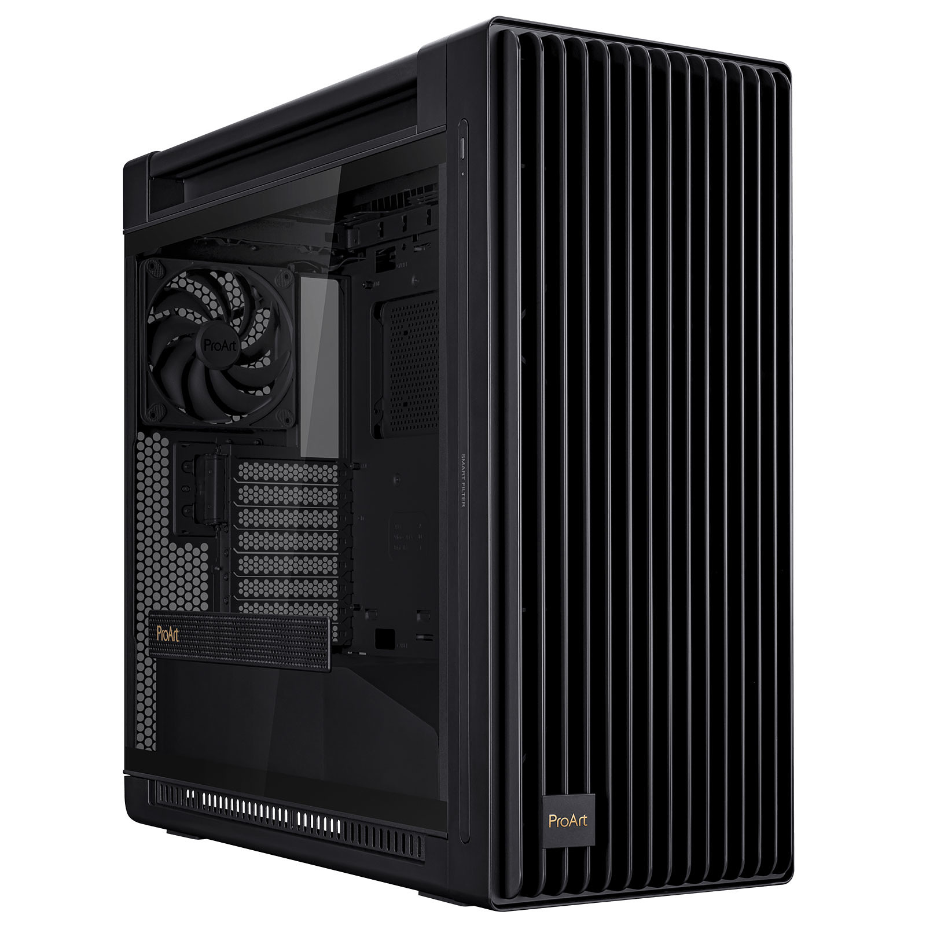 | Asus ProArt PA602 | ASUS | Noir | Sobre | Classique | 420mm | E-ATX | 270 € | 3 | https://amzn.to/3TVd375

